Sheet1
Climate Agreement | Climate Agreement |  | CO2 LC+direct |  | CO2 direct |  |  |  | CO2 LC |  |  |  |  |  |  | Costs |  |  |  |  |  |  |  | Storage costs |  |  |  | Production |  |  |  |  |  |  |  |  |  |  |  |  | Demand |  |  |  |  |  | Mismatches |  |  |  |  | Costs |  | Production |  |  | CO2 Direct + LC |  | CO2 Direct |  | CO2 LC |  |  |  |  | 10845.728973 |  |  | hoursHydrogenPowerSup | 1084.5728973 | CAPEX H2 |  |  |  |  | 10
Year | Renewable | Non-renewable | Coal LC+direct | Gas LC+direct | Coal direct | Gas direct | Gasboilers direct | Transport direct | Goal LC | Gas LC | Solar roof LC | Solar field LC | Nuclear LC | Wind onshore LC | Wind offshore LC | GasCosts | CoalCosts | NuclearCosts | SolarRoofCosts | SolarFieldCosts | WindOnshoreCosts | WindOffshoreCosts | ImportCosts | Battery LiIon | Electrolyzer | FuelCell | HydrogenStorageCostsTotal (Including salt cavern | GasElProduction | CoalElProduction | NuclearElProduction | SolarRoofElProduction | SolarFieldElProduction | WindOnshoreElProduction | WindOffshoreElProduction | Import | Export | importMinusExport | Battery storage | HydrogenStored | MaxHydrogenStored | AgricultureElDemand | BuiltEnvironmentElDemand | IndustryElDemand | OthersElDemand | TransportElDemand | HeatPumpElDemand | Max Absolute mismatch before storage | Mismatch before non-renewables | Mismatch after | MM max before hydro | MM max after hydro | Non-renewable | Renewable | Non-renewable | Renewable | Percentage renewable | Electricity sector | Electricity sector + Transport and Gasboilers | Electricity | Electricity sector + Transport and Gasboilers | Electricity | Direct CO2 reductions | Direct CO2 reduction percentages | 50% mismatch storage | 50% for batteries | InstalCapBatteries | 50% for electrolyzer | 50% for fuel cell | 10 | HydrogenInstalCap | InstalCapSpeedHydrogen | HydrogenCosts |  |  |  |  | 2019 | 2030 | USD/MWh | 1.12
2019 | 0.32979265897 | 120.52340778 | 44.907408 | 58.015460059 | 20.193264 | 24.173108358 | 2.1187709794 | 15.430925226 | 24.714144 | 33.842351701 | 0.16162109602 | 0.026460396054 | 0.05084352 | 0.096614686895 | 0.045096479997 | 4871621327.3 | 2098980000 | 374517000 | 299167969.55 | 41836563.701 | 470526072.54 | 436201071.4 | 2944879.1739 | 0 | 0 | 0 | 0 | 69066023.88 | 30139400 | 4236960 | 3941977.9517 | 551258.25112 | 8783153.3541 | 3758039.9998 | 65441.759419 | 0 | 65441.759419 | 1 | 0 | 0 | 5977895.3254 | 56281903.432 | 28999549.967 | 26494075.549 | 1760631.2837 | 1025116.7697 | 22680.585146 | -103507625.64 | -65441.759419 | 0 | 0 | 7.3451183273 | 1.2477316772 | 103442383.88 | 17034429.557 | 14% | 103.30350424 | 120.85320044 | 44.366372358 | 61.916068563 | 58.93713188 | 0 | 0% | 0 | 0 | 0 | 0 | 0 | 0 | 0 |  |  | 0 | 0.1 | 0.05 | Electrolyzer | 0.5 | 0.4 |  | 0.92
2020 | 0.40295205118 | 116.60641261 | 39.264463238 | 59.8671417 | 17.655832463 | 24.944642375 | 2.0374175551 | 15.386267237 | 21.608630775 | 34.922499325 | 0.21057446459 | 0.034417585881 | 0.05112288 | 0.11286345824 | 0.045096542461 | 5027109050 | 1835227787.9 | 376574785.71 | 369639061.83 | 47087016.893 | 527818696.7 | 410017882.36 | 11917471.653 | 0 | 0 | 0 | 0 | 71270406.785 | 26351988.75 | 4260240 | 5135962.5509 | 717033.03918 | 10260314.386 | 3758045.2051 | 264832.7034 | 0 | 264832.7034 | 0 | 0 | 0 | 6004872.5259 | 56681612.635 | 29131897.326 | 26639647.393 | 2320316.1764 | 1235879.9658 | 23025.28544 | -102147468.24 | -264832.7034 | 0 | 0 | 7.2389116237 | 1.3545626578 | 101882635.54 | 19871355.181 | 16% | 99.585679868 | 117.00936466 | 42.600474837 | 60.024159629 | 56.985205031 | 1.7658975207 | 4% | 0 | 0 | 0 | 0 | 0 | 0 | 0 |  |  | 1 | 0.08 | 0.04 | Fuel cell
2021 | 0.5450138214 | 109.5467001 | 38.990776313 | 53.439082316 | 17.532765188 | 22.266284298 | 1.9074148279 | 15.158443447 | 21.458011125 | 31.172798018 | 0.25938969599 | 0.042355744884 | 0.0509832 | 0.13024482636 | 0.11302355417 | 4487337907.1 | 1822435613.8 | 375545892.86 | 431797359.46 | 50141139.965 | 584901549.44 | 965926278.13 | 6052728.5897 | 0 | 0 | 0 | 0 | 63617955.138 | 26168306.25 | 4248600 | 6326577.9509 | 882411.35176 | 11840438.76 | 9418629.5143 | 134733.22364 | 228.1438656 | 134505.07977 | 0 | 0 | 0 | 5987167.4691 | 56474638.67 | 29070575.485 | 26566861.471 | 3060320.9525 | 1453139.0605 | 23311.994707 | -94169366.468 | -134505.07977 | 0 | 0 | 6.6853194138 | 2.032766327 | 94034861.388 | 28468057.577 | 23% | 93.02585565 | 110.09171392 | 39.799049486 | 56.86490776 | 53.226806164 | 4.5673228722 | 10% | 0 | 0 | 0 | 0 | 0 | 0 | 0 |  |  | 2 | 0.064 | 0.032 | Lion Battery | 0.19 | 0.077
2022 | 0.6436005303 | 105.06328177 | 38.299110863 | 50.040936581 | 17.221747838 | 20.850390242 | 1.7770379596 | 14.895213167 | 21.077363025 | 29.190546339 | 0.29697826009 | 0.048467344362 | 0.0509832 | 0.14572354364 | 0.15243138221 | 4201991911.1 | 1790107051.3 | 375545892.86 | 468820969.28 | 49646908.586 | 628409712.16 | 1224517165.8 | 6234602.9824 | 0 | 0 | 0 | 0 | 59572543.549 | 25704101.25 | 4248600 | 7243372.1974 | 1009736.3409 | 13247594.876 | 12702615.184 | 161699.03583 | 23152.302889 | 138546.73294 | 0 | 0 | 0 | 5987512.6964 | 56469178.571 | 29068779.39 | 26566861.471 | 4059119.1718 | 1700440.4074 | 23030.569551 | -89663791.532 | -138546.73294 | 0 | 0 | 6.3676448553 | 2.3713947558 | 89525244.799 | 34203318.599 | 28% | 89.034631174 | 105.7068823 | 38.07213808 | 54.744389207 | 50.962493094 | 6.2942342783 | 14% | 0 | 0 | 0 | 0 | 0 | 0 | 0 |  |  | 3 | 0.0512 | 0.0256
2023 | 0.74044597165 | 100.48211258 | 36.7284255 | 47.536632116 | 16.5154665 | 19.806930048 | 1.6365514762 | 14.529520291 | 20.212959 | 27.729702068 | 0.3345668242 | 0.054578943839 | 0.0509832 | 0.16205159361 | 0.18924861001 | 3991702739.3 | 1716692946.4 | 375545892.86 | 500864616.02 | 48375918.174 | 671053807.96 | 1429021151.7 | 5921241.0269 | 0 | 0 | 0 | 0 | 56591228.71 | 24649950 | 4248600 | 8160166.4439 | 1137061.33 | 14731963.055 | 15770717.501 | 302085.603 | 170502.46907 | 131583.13393 | 0 | 0 | 0 | 5991401.9537 | 56482177.839 | 29060670.95 | 26566861.471 | 5334378.2791 | 1968283.024 | 24133.224777 | -85621361.843 | -131583.13393 | 0 | 0 | 6.0839415786 | 2.6493154938 | 85489778.71 | 39799908.33 | 32% | 85.056486788 | 101.22255856 | 36.322396548 | 52.488468316 | 48.734090239 | 8.0439758098 | 18% | 0 | 0 | 0 | 0 | 0 | 0 | 0 |  |  | 4 | 0.04096 | 0.02048
2024 | 0.83941929762 | 96.321887432 | 34.766978325 | 45.93378351 | 15.633473475 | 19.139076462 | 1.4973812023 | 14.072621515 | 19.13350485 | 26.794707047 | 0.37224264395 | 0.060703995045 | 0.05112288 | 0.17922909148 | 0.22724356714 | 3857109797.3 | 1625014567 | 376574785.71 | 528468018.25 | 46556730.555 | 712694514.92 | 1612920736.3 | -3622092.5494 | 0 | 0 | 0 | 0 | 54683075.607 | 23333542.5 | 4260240 | 9079088.8769 | 1264666.5634 | 16293553.771 | 18936963.928 | 566904.01227 | 647394.95781 | -80490.945543 | 0 | 0 | 0 | 6004960.5697 | 56668542.585 | 29134577.079 | 26639647.393 | 7038752.5843 | 2266771.8686 | 25207.409518 | -82196367.161 | 80490.945543 | 0 | 0 | 5.8586991499 | 2.9006400001 | 82276858.107 | 45574273.14 | 36% | 81.591304012 | 97.161306729 | 34.772549937 | 50.342552655 | 46.818754075 | 9.5938224207 | 22% | 0 | 0 | 0 | 0 | 0 | 0 | 0 |  |  | 5 | 0.032768 | 0.016384
2025 | 0.93618139493 | 92.12164631 | 32.758300013 | 44.590501926 | 14.730242288 | 18.579375802 | 1.3370766281 | 13.384784544 | 18.028057725 | 26.011126123 | 0.40974395242 | 0.066802142794 | 0.0509832 | 0.19725686344 | 0.26237843628 | 3744312980.6 | 1531128596 | 375545892.86 | 551645710.91 | 44331936.356 | 753213179.03 | 1750511771.8 | -27624738.332 | 0 | 0 | 0 | 0 | 53083930.864 | 21985436.25 | 4248600 | 9993754.937 | 1391711.3082 | 17932442.131 | 21864869.69 | 1006630.3849 | 1620513.4589 | -613883.07404 | 0 | 0 | 0 | 5987138.9597 | 56473764.422 | 29070594.96 | 26566861.471 | 9220005.6334 | 2545429.0333 | 26462.290481 | -78704084.04 | 613883.07404 | 0 | 0 | 5.6509874694 | 3.0997025981 | 79317967.114 | 51182778.066 | 39% | 78.335966533 | 93.057827705 | 33.30961809 | 48.031479262 | 45.026348443 | 11.056754268 | 25% | 0 | 0 | 0 | 0 | 0 | 0 | 0 |  |  | 6 | 0.0262144 | 0.0131072
2026 | 1.104943168 | 87.401727816 | 29.105226037 | 44.491691876 | 13.087584862 | 18.538204948 | 1.1854126434 | 12.568414058 | 16.017641175 | 25.953486928 | 0.51574428291 | 0.084036957998 | 0.0509832 | 0.22045585748 | 0.28470606966 | 3736015793.2 | 1360383287.9 | 375545892.86 | 658471865.82 | 48256713.137 | 808347880.03 | 1785455748.7 | -87430361.25 | 0 | 0 | 0 | 0 | 52966299.853 | 19533708.75 | 4248600 | 12579128.851 | 1750769.9583 | 20041441.589 | 23725505.805 | 1912401.3203 | 3855298.237 | -1942896.9167 | 0 | 0 | 0 | 5987498.6812 | 56469140.921 | 29068748.288 | 26566861.471 | 11947082.868 | 2841231.0109 | 27728.967675 | -74805711.686 | 1942896.9167 | 0 | 0 | 5.471944974 | 3.3005322077 | 76748608.603 | 58096846.204 | 43% | 74.752844282 | 88.506670984 | 31.625789811 | 45.379616513 | 43.127054471 | 12.740582547 | 29% | 0 | 0 | 0 | 0 | 0 | 0 | 0 |  |  | 7 | 0.02097152 | 0.01048576
2027 | 1.2755015759 | 80.977263495 | 25.589733075 | 42.704069973 | 11.506792725 | 17.793362489 | 1.03760178 | 11.594875467 | 14.08294035 | 24.910707484 | 0.62176079571 | 0.10127436926 | 0.0509832 | 0.24484423839 | 0.3076221725 | 3585907236.2 | 1196068540.2 | 375545892.86 | 752802831.52 | 50320861.615 | 862099561.28 | 1813366000.4 | 32287181.719 | 99654.07458 | 33888.708447 | 2574.6726853 | 559297.77166 | 50838178.539 | 17174317.5 | 4248600 | 15164897.456 | 2109882.6928 | 22258567.126 | 25635181.042 | 2833217.3263 | 2115724.3992 | 717492.92709 | 0 | -1202.9825892 | 11826.527462 | 5991348.4087 | 56479980.546 | 29060659.614 | 26566861.471 | 15323223.475 | 3131438.7731 | 29651.819471 | -72978588.966 | -717492.92709 | 8750.3931627 | 0 | 5.1575216693 | 3.4785892548 | 72261096.039 | 65168528.318 | 47% | 69.620287824 | 82.25276507 | 29.300155214 | 41.93263246 | 40.32013261 | 15.066217144 | 34% | 4375.1965813 | 2187.5982907 | 10845.728973 | 2187.5982907 | 2187.5982907 | 218.75982907 | 1084.5728973 |  |  | 8 | 0.016777216 | 0.008388608
2028 | 1.4856493658 | 73.849121168 | 22.38493305 | 39.975083241 | 10.06570815 | 16.656284684 | 0.90246843807 | 10.535513559 | 12.3192249 | 23.318798557 | 0.72840820599 | 0.1186054336 | 0.05112288 | 0.27042206759 | 0.36821365862 | 3356751250 | 1046275633.9 | 376574785.71 | 836349587.11 | 50993428.711 | 914324881.55 | 2040249108.8 | 117637500.06 | 182095.31345 | 66281.756948 | 5003.3184728 | 1168260.6564 | 47589384.81 | 15023445 | 4260240 | 17766053.805 | 2470946.5333 | 24583824.326 | 30684471.552 | 4423370.0402 | 1809203.3722 | 2614166.668 | 0 | -392.47903742 | 25552.321834 | 6012236.3366 | 56668856.592 | 29158699.507 | 26639647.393 | 19356791.367 | 3430126.9217 | 32397.224247 | -69487236.478 | -2614166.668 | 21428.56991 | 5729.5760202 | 4.7796016697 | 3.8419170062 | 66873069.81 | 75505296.216 | 53% | 63.896788537 | 75.334770534 | 26.721992834 | 38.159974831 | 37.174795703 | 17.644379524 | 40% | 10714.284955 | 5357.1424774 | 21691.457946 | 5357.1424774 | 5357.1424774 | 535.71424774 | 2169.1457946 |  |  | 9 | 0.0134217728 | 0.0067108864
2029 | 1.6408017421 | 69.669355768 | 19.93067955 | 39.539689762 | 8.96211765 | 16.474870734 | 0.7667384283 | 9.3812648274 | 10.9685619 | 23.064819028 | 0.83380620463 | 0.13575093107 | 0.0509832 | 0.29718709525 | 0.37405751113 | 3320190785.7 | 931563401.79 | 375545892.86 | 907890031.17 | 50502578.523 | 964893166.39 | 1948216203.8 | 240462544.85 | 249553.54299 | 97228.653114 | 7292.1489835 | 1757647.4913 | 47071059.241 | 13376295 | 4248600 | 20336736.698 | 2828144.3973 | 27017008.659 | 31171459.261 | 6820412.2037 | 1476800.096 | 5343612.1077 | 0 | 3857.6994615 | 39190.702644 | 5987128.5382 | 56473555.837 | 29070563.858 | 26566861.471 | 23928365.045 | 3664349.4322 | 34733.597394 | -70039566.348 | -5343612.1077 | 64663.222236 | 18711.293359 | 4.6273000804 | 3.8715019799 | 64695954.241 | 81353349.015 | 56% | 61.162154254 | 71.31015751 | 25.436988384 | 35.58499164 | 35.72516587 | 18.929383974 | 43% | 32331.611118 | 16165.805559 | 32537.186918 | 16165.805559 | 16165.805559 | 1616.5805559 | 3253.7186918 |  |  | 10 | 0.01073741824 | 0.00536870912
2030 | 2.0351629032 | 55.713301229 | 15.38294625 | 31.311631852 | 6.91716375 | 13.046513272 | 0.64839562794 | 8.3193442989 | 8.4657825 | 18.265118581 | 0.9398022705 | 0.15298505856 | 0.0509832 | 0.32469214491 | 0.61768342925 | 2629271807.3 | 719001562.5 | 375545892.86 | 970419964.52 | 49247122.484 | 1012306300.1 | 3023988885.7 | 208683287.9 | 304001.82381 | 126777.44789 | 9447.1409703 | 4351061.3578 | 37275752.205 | 10324125 | 4248600 | 22922006.598 | 3187188.72 | 29517467.719 | 51473619.105 | 7407175.5026 | 2769769.1047 | 4637406.3978 | 0 | 7663.2210068 | 108896.72461 | 5987562.2883 | 56468947.396 | 29068711.081 | 26566861.471 | 29167815.289 | 3894803.7003 | 38246.947085 | -56485883.603 | -4637406.3978 | 173531.66356 | 95487.45027 | 3.7238192627 | 5.0559622728 | 51848477.205 | 107100282.14 | 67% | 48.780724206 | 57.748464132 | 19.963677022 | 28.931416949 | 28.817047184 | 24.402695336 | 55% | 86765.831782 | 43382.915891 | 43382.915891 | 43382.915891 | 43382.915891 | 4338.2915891 | 4338.2915891 |  |  | 11 | 0.008589934592 | 0.004294967296
 |  |  |  |  |  |  |  |  |  |  |  |  |  |  |  |  |  |  |  |  |  |  |  |  |  |  |  |  |  |  |  |  |  |  |  |  |  | kg H2 | 229.91962217 |  |  |  |  |  |  |  |  |  |  |  |  |  |  |  |  |  |  |  |  |  |  |  |  |  |  |  |  |  |  |  |  |  | 11 | 0.008589934592 | 0.004294967296
 |  |  |  |  |  |  |  |  |  |  |  |  |  |  |  |  |  |  |  |  |  |  |  |  |  |  |  |  |  |  |  |  |  |  |  |  |  | Extra value h2 | 410.57075387
 |  |  |  |  |  |  |  |  |  |  |  |  |  |  |  |  |  |  |  |  |  |  |  |  |  |  |  | Gas | Coal | Nuclear | Solar roof | Solar field | Wind onshore | Wind offshore | Import | USD/Euro | 1.12 | Battery storage | Hydrogen storage |  | Agriculture | Built enivornment | Industry | Other | Transport | Heat pump
 |  |  |  |  |  |  |  |  |  |  |  |  |  |  |  |  |  |  |  |  |  |  |  |  |  |  |  |  |  |  |  |  |  |  |  | Hydrogen kwh/kg | 33.33
 |  |  |  |  |  |  |  |  |  |  |  |  |  |  |  |  |  |  |  |  |  |  |  |  |  |  |  |  |  |  |  |  |  |  |  | Hydrogen USD/kg | 2
D66 | D66 |  | CO2 LC+direct |  | CO2 direct |  |  |  | CO2 LC |  |  |  |  |  |  | Costs |  |  |  |  |  |  |  | Storage costs |  |  |  | Production |  |  |  |  |  |  |  |  |  |  |  |  | Demand |  |  |  |  |  |  |  |  |  |  | Costs |  | Production |  |  | CO2 Direct + LC |  | CO2 Direct |  | CO2 LC |  |  |  |  | 43078.256471 |  |  | hoursHydrogenPowerSup | 4307.8256471
Year | Renewable | Non-renewable | Coal LC+direct | Gas LC+direct | Coal direct | Gas direct | Gasboilers direct | Transport direct | Goal LC | Gas LC | Solar roof LC | Solar field LC | Nuclear LC | Wind onshore LC | Wind offshore LC | GasCosts | CoalCosts | NuclearCosts | SolarRoofCosts | SolarFieldCosts | WindOnshoreCosts | WindOffshoreCosts |  | Battery LiIon | Electrolyzer | FuelCell | HydrogenStorageCostsTotal (Including salt cavern | GasElProduction | CoalElProduction | NuclearElProduction | SolarRoofElProduction | SolarFieldElProduction | WindOnshoreElProduction | WindOffshoreElProduction | Import | Export | importMinusExport | Battery storage | HydrogenStored | MaxHydrogenStored | AgricultureElDemand | BuiltEnvironmentElDemand | IndustryElDemand | OthersElDemand | TransportElDemand | HeatPumpElDemand | Max Absolute mismatch before storage | Mismatch before non-renewables | Mismatch after |  |  | Non-renewable | Renewable | Non-renewable | Renewable |  | Electricity sector | Electricity sector + Transport and Gasboilers | Electricity | Electricity sector + Transport and Gasboilers | Electricity | Direct CO2 reductions | Direct CO2 reduction percentages | 50% mismatch storage | 50% for batteries | InstalCapBatteries | 50% for hydrogen |  | 10 | HydrogenInstalCap
2019 | 0.32979265897 | 120.52340778 | 44.907408 | 58.015460059 | 20.193264 | 24.173108358 | 2.1187709794 | 15.430925226 | 24.714144 | 33.842351701 | 0.16162109602 | 0.026460396054 | 0.05084352 | 0.096614686895 | 0.045096479997 | 4871621327.3 | 2098980000 | 374517000 | 299167969.55 | 41836563.701 | 470526072.54 | 436201071.4 | 2944879.1739 | 0 | 0 | 0 | 0 | 69066023.88 | 30139400 | 4236960 | 3941977.9517 | 551258.25112 | 8783153.3541 | 3758039.9998 | 65441.759419 | 0 | 65441.759419 | 1 | 0 | 0 | 5977895.3254 | 56281903.432 | 28999549.967 | 26494075.549 | 1760631.2837 | 1025116.7697 | 22680.585146 | -103507625.64 | -65441.759419 | 0 | 0 | 7.3451183273 | 1.2477316772 | 103442383.88 | 17034429.557 | 14% | 103.30350424 | 120.85320044 | 44.366372358 | 61.916068563 | 58.93713188 | 0 | 0% | 0 | 0 | 0 | 0 | 0 | 0 | 0
2020 | 0.49947281379 | 113.33697455 | 39.2395821 | 56.622584774 | 17.6446443 | 23.592743656 | 2.0374175551 | 15.386267237 | 21.5949378 | 33.029841118 | 0.21421041385 | 0.10015133041 | 0.05112288 | 0.14001452707 | 0.045096542461 | 4754660073.5 | 1834064839.3 | 376574785.71 | 376021549.26 | 137017959.45 | 654793733.48 | 410017882.36 | 10372526.341 | 0 | 0 | 0 | 0 | 67407839.017 | 26335290 | 4260240 | 5224644.2402 | 2086486.0501 | 12728593.37 | 3758045.2051 | 230500.58536 | 0 | 230500.58536 | 0 | 0 | 0 | 6004872.5259 | 56681612.635 | 29131897.326 | 26639647.393 | 2320316.1764 | 1235879.9658 | 22985.910682 | -98233869.603 | -230500.58536 | 0 | 0 | 6.9652996985 | 1.5778511246 | 98003369.017 | 23797768.865 | 20% | 96.412762568 | 113.83644736 | 41.237387956 | 58.661072748 | 55.175374612 | 3.1289844021 | 7% | 0 | 0 | 0 | 0 | 0 | 0 | 0
2021 | 0.73176365538 | 104.193351 | 38.359964325 | 48.716545201 | 17.249111475 | 20.298560501 | 1.9074148279 | 15.158443447 | 21.11085285 | 28.417984701 | 0.25698586084 | 0.20007448944 | 0.0509832 | 0.16167975092 | 0.11302355417 | 4090781325.4 | 1792951352.7 | 375545892.86 | 427795775.42 | 236850113.38 | 726069046.03 | 965926278.13 | 4350704.8492 | 0 | 0 | 0 | 0 | 57995887.145 | 25744942.5 | 4248600 | 6267947.8255 | 4168218.5299 | 14698159.175 | 9418629.5143 | 124156.11366 | 27473.783677 | 96682.329983 | 0 | 0 | 0 | 5987167.4691 | 56474638.67 | 29070575.485 | 26566861.471 | 3060320.9525 | 1453139.0605 | 23285.268169 | -88086111.975 | -96682.329983 | 0 | 0 | 6.2592785709 | 2.356641213 | 87989429.645 | 34552955.044 | 28% | 87.859256382 | 104.92511466 | 37.547671976 | 54.61353025 | 50.311584406 | 6.8187003825 | 15% | 0 | 0 | 0 | 0 | 0 | 0 | 0
2022 | 1.0584993579 | 90.789180157 | 29.002309875 | 45.063635955 | 13.041307125 | 18.776514981 | 1.7770379596 | 14.895213167 | 15.96100275 | 26.287120974 | 0.32122517515 | 0.37497717277 | 0.0509832 | 0.1809703994 | 0.18132661055 | 3784042560 | 1355572968.8 | 375545892.86 | 507098054.65 | 384103104.13 | 780406197.64 | 1456639335.1 | -31032900.897 | 0 | 0 | 0 | 0 | 53647185.661 | 19464637.5 | 4248600 | 7834760.3694 | 7812024.4326 | 16451854.491 | 15110550.879 | 200986.04729 | 890606.06723 | -689620.01994 | 0 | 0 | 0 | 5987512.6964 | 56469178.571 | 29068779.39 | 26566861.471 | 4059119.1718 | 1700440.4074 | 22961.051952 | -76670803.141 | 689620.01994 | 0 | 0 | 5.5151614216 | 3.1282466915 | 77360423.161 | 47209190.172 | 38% | 75.175428388 | 91.847679515 | 31.817822106 | 48.490073233 | 43.357606282 | 12.548550252 | 28% | 0 | 0 | 0 | 0 | 0 | 0 | 0
2023 | 1.3501663245 | 77.374967564 | 13.42602495 | 47.731887647 | 6.03720585 | 19.88828652 | 1.6365514762 | 14.529520291 | 7.3888191 | 27.843601127 | 0.42829069898 | 0.49990766086 | 0.0509832 | 0.20132288306 | 0.22064508155 | 4008098558.8 | 627534723.21 | 375545892.86 | 641174321.46 | 443091976.41 | 833675771.42 | 1666096720.8 | -1664405.9432 | 574200.56454 | 148758.71802 | 11597.407694 | 2222592.0896 | 56823675.77 | 9010755 | 4248600 | 10446114.609 | 10414742.935 | 18302080.279 | 18387090.129 | 658088.07978 | 695074.87852 | -36986.798739 | 0 | -1536.0646034 | 41656.466863 | 5991401.9537 | 56482177.839 | 29060670.95 | 26566861.471 | 5334378.2791 | 1968283.024 | 24109.491877 | -70046043.971 | 36986.798739 | 19932.140352 | 0 | 5.0111791749 | 3.58403879 | 70083030.77 | 57550027.951 | 45% | 62.559062121 | 78.725133889 | 25.92549237 | 42.091564137 | 36.633569752 | 18.440879989 | 42% | 9966.0701761 | 4983.0350881 | 43078.256471 | 4983.0350881 | 4983.0350881 | 498.30350881 | 4307.8256471
2024 | 1.874540789 | 65.996657905 | 4.1007500625 | 46.274782246 | 1.8439614375 | 19.281159269 | 1.4973812023 | 14.072621515 | 2.256788625 | 26.993622977 | 0.64257227761 | 0.74993633211 | 0.05112288 | 0.22273471572 | 0.25929746358 | 3885743832.3 | 191669765.62 | 376574785.71 | 912251467.28 | 575161218.34 | 885692210.26 | 1840431661.7 | 10446829.252 | 1049221.8429 | 290952.04992 | 22537.048878 | 4515349.3005 | 55089026.483 | 2752181.25 | 4260240 | 15672494.576 | 15623673.586 | 20248610.52 | 21608121.965 | 1553017.9087 | 1320866.1476 | 232151.76116 | 0 | -356.7301347 | 88199.316881 | 6004960.5697 | 56668542.585 | 29134577.079 | 26639647.393 | 7038752.5843 | 2266771.8686 | 25184.834832 | -62333599.494 | -232151.76116 | 109676.06928 | 26079.75163 | 4.4539883836 | 4.2135365576 | 62101447.733 | 73152900.646 | 54% | 52.301195977 | 67.871198694 | 21.125120706 | 36.695123424 | 31.176075271 | 23.241251652 | 52% | 54838.034642 | 27419.017321 | 86156.512942 | 27419.017321 | 27419.017321 | 2741.9017321 | 8615.6512942
2025 | 2.4004217553 | 59.276862426 | 3.489918975 | 41.01409908 | 1.569292425 | 17.08920795 | 1.3370766281 | 13.384784544 | 1.92062655 | 23.92489113 | 0.85655279432 | 0.99962961323 | 0.0509832 | 0.2452147131 | 0.29902463468 | 3443998540.9 | 163119415.18 | 375545892.86 | 1153192554.4 | 663384654.14 | 936337273.03 | 1995004431.4 | 19402484.729 | 1437911.9557 | 426797.31554 | 32846.903303 | 7134555.3487 | 48826308.428 | 2342227.5 | 4248600 | 20891531.569 | 20825616.942 | 22292246.646 | 24918719.557 | 2278546.6275 | 1847380.3002 | 431166.32731 | 0 | -1741.3720335 | 146384.61326 | 5987138.9597 | 56473764.422 | 29070594.96 | 26566861.471 | 9220005.6334 | 2545429.0333 | 34032.240306 | -55848302.256 | -431166.32731 | 176653.7035 | 51103.829034 | 3.982663849 | 4.747918913 | 55417135.928 | 88928114.714 | 62% | 46.95542301 | 61.677284182 | 18.658500375 | 33.380361547 | 28.296922635 | 25.707871983 | 58% | 88326.851752 | 44163.425876 | 129234.76941 | 44163.425876 | 44163.425876 | 4416.3425876 | 12923.476941
2026 | 2.9348909189 | 51.316533741 | 0.0006872625 | 37.511036576 | 0.0003090375 | 15.629598574 | 1.1854126434 | 12.568414058 | 0.000378225 | 21.881438003 | 1.0706850553 | 1.249492135 | 0.0509832 | 0.2741551784 | 0.34055855015 | 3149842569.7 | 32122.767857 | 375545892.86 | 1366987496.4 | 717498407.39 | 1005247761.6 | 2135719206.3 | 65909063.044 | 1751639.555 | 556505.44053 | 42553.892774 | 11410748.321 | 44655995.924 | 461.25 | 4248600 | 26114269.643 | 26031086.146 | 24923198.036 | 28379879.179 | 3862705.0525 | 2398059.207 | 1464645.8454 | 0 | -410.77226373 | 252850.09239 | 5987498.6812 | 56469140.921 | 29068748.288 | 26566861.471 | 11947082.868 | 2841231.0109 | 43915.763546 | -50369703.02 | -1464645.8454 | 272122.41984 | 68972.612825 | 3.5254205853 | 5.2254528717 | 48905057.174 | 105448433 | 68% | 40.497597958 | 54.25142466 | 15.629907611 | 29.383734313 | 24.867690347 | 28.736464747 | 65% | 136061.20992 | 68030.604961 | 172313.02588 | 68030.604961 | 68030.604961 | 6803.0604961 | 17231.302588
2027 | 3.5548629204 | 41.923657673 | 0 | 29.240197227 | 0 | 12.183415511 | 1.03760178 | 11.594875467 | 0 | 17.056781716 | 1.2848509047 | 1.4993939097 | 0.0509832 | 0.30458263462 | 0.46603547145 | 2455331187.2 | 0 | 375545892.86 | 1555645524.4 | 745013708.7 | 1072439185.9 | 2747178046.4 | 62691798.152 | 2000453.5387 | 680281.1327 | 51683.918655 | 18167578.912 | 34809758.603 | 0 | 4248600 | 31337826.943 | 31237373.118 | 27689330.42 | 38836289.288 | 4736705.4348 | 3343554.3648 | 1393151.07 | 0 | -6613.5641963 | 430190.11779 | 5991348.4087 | 56479980.546 | 29060659.614 | 26566861.471 | 15323223.475 | 3131438.7731 | 54719.229047 | -40451509.673 | -1393151.07 | 378495.53502 | 92848.65068 | 2.83087708 | 6.1202764654 | 39058358.603 | 129100819.77 | 77% | 32.846043347 | 45.478520594 | 12.183415511 | 24.815892758 | 20.662627836 | 32.182956847 | 73% | 189247.76751 | 94623.883754 | 215391.28236 | 94623.883754 | 94623.883754 | 9462.3883754 | 21539.128236
2028 | 4.646821504 | 32.310866955 | 0 | 20.821762078 | 0 | 8.675734199 | 0.90246843807 | 10.535513559 | 0 | 12.146027879 | 1.7146250152 | 2.0007481896 | 0.05112288 | 0.33649337276 | 0.59495492637 | 1748426024.8 | 0 | 376574785.71 | 1968711928 | 860205195.35 | 1137718774 | 3296608449.8 | -45598336.306 | 2193226.212 | 798323.05379 | 60261.898088 | 63918116.393 | 24787811.997 | 0 | 4260240 | 41820122.323 | 41682253.951 | 30590306.615 | 49579577.198 | 5355547.161 | 6368843.5233 | -1013296.3623 | 0 | 7262.8648946 | 1692404.6424 | 6012236.3366 | 56668856.592 | 29158699.507 | 26639647.393 | 19356791.367 | 3430126.9217 | 72488.834186 | -28034755.635 | 1013296.3623 | 569463.52566 | 162371.02478 | 2.1250008105 | 7.2632443471 | 29048051.997 | 163672260.09 | 85% | 25.519706462 | 36.957688459 | 8.675734199 | 20.113716197 | 16.843972263 | 35.690638159 | 80% | 284731.76283 | 142365.88141 | 258469.53883 | 142365.88141 | 142365.88141 | 14236.588141 | 25846.953883
2029 | 6.643186248 | 23.613600618 | 0 | 13.414614162 | 0 | 5.5894225676 | 0.7667384283 | 9.3812648274 | 0 | 7.8251915947 | 2.5697500613 | 2.998684512 | 0.0509832 | 0.36989596971 | 0.70485570495 | 1126439752.2 | 0 | 375545892.86 | 2798072801.9 | 1115582035.7 | 1200960940.6 | 3671123463.3 | -607939663.33 | 2337781.5655 | 910823.98655 | 68311.798991 | 302799595.2 | 15969778.765 | 0 | 4248600 | 62676830.763 | 62472594.001 | 33626906.337 | 58737975.412 | 4894769.985 | 18404540.281 | -13509770.296 | 0 | 21291.715536 | 8320860.8236 | 5987128.5382 | 56473555.837 | 29070563.858 | 26566861.471 | 23928365.045 | 3664349.4322 | 107004.71002 | -6708608.4685 | 13509770.296 | 899769.19668 | 352125.99965 | 1.501985645 | 8.7857392415 | 20218378.765 | 217514306.51 | 91% | 20.10878361 | 30.256786866 | 5.5894225676 | 15.737425823 | 14.519361043 | 38.77694979 | 87% | 449884.59834 | 224942.29917 | 301547.7953 | 224942.29917 | 224942.29917 | 22494.229917 | 30154.77953
2030 | 9.4980053044 | 14.556120548 | 0 | 5.5373974209 | 0 | 2.3072489254 | 0.64839562794 | 8.3193442989 | 0 | 3.2301484955 | 3.8117447876 | 4.4479242897 | 0.0509832 | 0.40422183388 | 0.83411439321 | 464981288.53 | 0 | 375545892.86 | 3935927117.5 | 1431822652.2 | 1260259342.6 | 4083568596.8 | -1905326244.6 | 2441010.1715 | 1017970.9975 | 75856.673855 | 808697793.82 | 6592139.7868 | 0 | 4248600 | 92969385.064 | 92665089.369 | 36747439.444 | 69509532.767 | 2913179.4093 | 45253762.623 | -42340583.214 | 0 | 38098.465579 | 22367744.796 | 5987562.2883 | 56468947.396 | 29068711.081 | 26566861.471 | 29167815.289 | 3894803.7003 | 156195.62656 | 31499843.427 | 42340583.214 | 1378504.2071 | 700790.61473 | 0.84052718139 | 10.711577709 | 10840739.787 | 291891446.64 | 96% | 15.086385925 | 24.054125852 | 2.3072489254 | 11.274988852 | 12.779137 | 42.059123433 | 95% | 689252.10354 | 344626.05177 | 344626.05177 | 344626.05177 | 344626.05177 | 34462.605177 | 34462.605177
 |  |  |  |  |  |  |  |  |  |  |  |  |  |  |  |  |  |  |  |  |  |  |  |  |  |  |  |  |  |  |  |  |  |  |  |  |  |  | 1143.0682742
 |  |  |  |  |  |  |  |  |  |  |  |  |  |  |  |  |  |  |  |  |  |  |  |  |  |  |  |  |  |  |  |  |  |  |  |  |  | Extra value h2 | 2041.1933468

GroenLinks | GroenLinks |  | CO2 LC+direct |  | CO2 direct |  |  |  | CO2 LC |  |  |  |  |  |  | Costs |  |  |  |  |  |  |  | Storage costs |  |  |  | Production |  |  |  |  |  |  |  |  |  |  |  |  | Demand |  |  |  |  |  |  |  |  |  |  | Costs |  | Production |  |  | CO2 Direct + LC |  | CO2 Direct |  | CO2 LC |  |  |  |  | 78521.113192 |  |  | hoursHydrogenPowerSup | 7852.1113192
Year | Renewable | Non-renewable | Coal LC+direct | Gas LC+direct | Coal direct | Gas direct | Gasboilers direct | Transport direct | Goal LC | Gas LC | Solar roof LC | Solar field LC | Nuclear LC | Wind onshore LC | Wind offshore LC | GasCosts | CoalCosts | NuclearCosts | SolarRoofCosts | SolarFieldCosts | WindOnshoreCosts | WindOffshoreCosts |  | Battery LiIon | Electrolyzer | FuelCell | HydrogenStorageCostsTotal (Including salt cavern | GasElProduction | CoalElProduction | NuclearElProduction | SolarRoofElProduction | SolarFieldElProduction | WindOnshoreElProduction | WindOffshoreElProduction | Import | Export | importMinusExport | Battery storage | HydrogenStored | MaxHydrogenStored | AgricultureElDemand | BuiltEnvironmentElDemand | IndustryElDemand | OthersElDemand | TransportElDemand | HeatPumpElDemand | Max Absolute mismatch before storage | Mismatch before non-renewables | Mismatch after |  |  | Non-renewable | Renewable | Non-renewable | Renewable |  | Electricity sector | Electricity sector + Transport and Gasboilers | Electricity | Electricity sector + Transport and Gasboilers | Electricity | Direct CO2 reductions | Direct CO2 reduction percentages | 20% mismatch storage | 50% for batteries | InstalCapBatteries | 50% for hydrogen |  | 10 | HydrogenInstalCap
2019 | 0.32979265897 | 120.52340778 | 44.907408 | 58.015460059 | 20.193264 | 24.173108358 | 2.1187709794 | 15.430925226 | 24.714144 | 33.842351701 | 0.16162109602 | 0.026460396054 | 0.05084352 | 0.096614686895 | 0.045096479997 | 4871621327.3 | 2098980000 | 374517000 | 299167969.55 | 41836563.701 | 470526072.54 | 436201071.4 | 2944879.1739 | 0 | 0 | 0 | 0 | 69066023.88 | 30139400 | 4236960 | 3941977.9517 | 551258.25112 | 8783153.3541 | 3758039.9998 | 65441.759419 | 0 | 65441.759419 | 1 | 0 | 0 | 5977895.3254 | 56281903.432 | 28999549.967 | 26494075.549 | 1760631.2837 | 1025116.7697 | 22680.585146 | -103507625.64 | -65441.759419 | 0 | 0 | 7.3451183273 | 1.2477316772 | 103442383.88 | 17034429.557 | 14% | 103.30350424 | 120.85320044 | 44.366372358 | 61.916068563 | 58.93713188 | 0 | 0% | 0 | 0 | 0 | 0 | 0 | 0 | 0
2020 | 0.55161542123 | 92.620507928 | 0.0051405 | 75.140559755 | 0.0023115 | 31.308566565 | 2.0374175551 | 15.386267237 | 0.002829 | 43.831993191 | 0.21421041385 | 0.12514286902 | 0.05112288 | 0.16716559589 | 0.045096542461 | 6309634588.3 | 240267.85714 | 376574785.71 | 376021549.26 | 171209114.09 | 781768770.25 | 410017882.36 | 69336247.482 | 0 | 0 | 0 | 0 | 89453047.328 | 3450 | 4260240 | 5224644.2402 | 2607143.1046 | 15196872.354 | 3758045.2051 | 1540805.4996 | 0 | 1540805.4996 | 0 | 0 | 0 | 6004872.5259 | 56681612.635 | 29131897.326 | 26639647.393 | 2320316.1764 | 1235879.9658 | 22946.535924 | -95257542.828 | -1540805.4996 | 0 | 0 | 6.6864496419 | 1.739017316 | 93716737.328 | 26786704.904 | 22% | 75.748438557 | 93.172123349 | 31.310878065 | 48.734562857 | 44.437560492 | 13.055494293 | 29% | 0 | 0 | 0 | 0 | 0 | 0 | 0
2021 | 0.99876758472 | 80.404913085 | 0 | 63.288071611 | 0 | 26.370029838 | 1.9074148279 | 15.158443447 | 0 | 36.918041773 | 0.34263827991 | 0.34999107515 | 0.0509832 | 0.19311467548 | 0.11302355417 | 5314368258.1 | 0 | 375545892.86 | 570378495.39 | 414322815.79 | 867236542.63 | 965926278.13 | 19207066.495 | 0 | 0 | 0 | 0 | 75342942.394 | 0 | 4248600 | 8357031.2174 | 7291480.7323 | 17555879.589 | 9418629.5143 | 844833.01326 | 418009.31336 | 426823.6999 | 0 | 0 | 0 | 5987167.4691 | 56474638.67 | 29070575.485 | 26566861.471 | 3060320.9525 | 1453139.0605 | 23258.541631 | -80018366.093 | -426823.6999 | 0 | 0 | 5.689914151 | 2.8178641319 | 79591542.394 | 42623021.053 | 35% | 64.337822395 | 81.40368067 | 26.370029838 | 43.435888112 | 37.967792558 | 17.99634252 | 41% | 0 | 0 | 0 | 0 | 0 | 0 | 0
2022 | 1.7272919503 | 64.124938663 | 0 | 47.401704336 | 0 | 19.75071014 | 1.7770379596 | 14.895213167 | 0 | 27.650994196 | 0.64242174665 | 0.62483814895 | 0.0509832 | 0.21621725516 | 0.2438147995 | 3980372706.8 | 0 | 375545892.86 | 1014150954.5 | 640045021.46 | 932402683.11 | 1958621662.6 | -15836480.258 | 1135825.9711 | 274913.02738 | 21571.318453 | 4380844.982 | 56430600.4 | 0 | 4248600 | 15668823.089 | 13017461.436 | 19656114.105 | 20317899.958 | 702101.99305 | 1054023.7766 | -351921.78352 | 0 | -1251.2175558 | 82502.943987 | 5987512.6964 | 56469178.571 | 29068779.39 | 26566861.471 | 4059119.1718 | 1700440.4074 | 22927.191618 | -60327278.617 | 351921.78352 | 77902.212221 | 2747.5185158 | 4.3559185997 | 4.5452203217 | 60679200.4 | 68660298.589 | 53% | 49.179979487 | 65.852230614 | 19.75071014 | 36.422961267 | 29.429269346 | 24.615662218 | 55% | 38951.10611 | 19475.553055 | 78521.113192 | 19475.553055 | 19475.553055 | 1947.5553055 | 7852.1113192
2023 | 2.6530802953 | 52.653395533 | 0 | 36.436340566 | 0 | 15.181808569 | 1.6365514762 | 14.529520291 | 0 | 21.254531997 | 0.96361831816 | 1.1245601013 | 0.0509832 | 0.24059417252 | 0.32430770325 | 3059599175.9 | 0 | 375545892.86 | 1442588696.8 | 996751194.07 | 996297734.88 | 2448855859.9 | -50161106.467 | 2075465.4247 | 537692.91595 | 41919.183248 | 9894253.5304 | 43376595.912 | 0 | 4248600 | 23502885.809 | 23428335.444 | 21872197.502 | 27025641.938 | 906491.84988 | 2021183.1047 | -1114691.2548 | 0 | -84.860429016 | 202252.64416 | 5991401.9537 | 56482177.839 | 29060670.95 | 26566861.471 | 5334378.2791 | 1968283.024 | 36830.381302 | -46510504.657 | 1114691.2548 | 242830.09738 | 41405.410631 | 3.4351450688 | 5.8844934857 | 47625195.912 | 95829060.693 | 67% | 39.140404061 | 55.306475829 | 15.181808569 | 31.347880337 | 23.958595492 | 29.184563789 | 66% | 121415.04869 | 60707.524345 | 157042.22638 | 60707.524345 | 60707.524345 | 6070.7524345 | 15704.222638
2024 | 3.9191186532 | 41.114850035 | 0 | 25.493724438 | 0 | 10.622385183 | 1.4973812023 | 14.072621515 | 0 | 14.871339256 | 1.4992969995 | 1.7496039525 | 0.05112288 | 0.26624033996 | 0.40397736125 | 2140735789.3 | 0 | 376574785.71 | 2128532361.8 | 1341853031.8 | 1058689905.6 | 2867335129.3 | -121709139.22 | 2844333.2247 | 788741.28289 | 61095.637062 | 44910103.635 | 30349671.95 | 0 | 4260240 | 36568219.5 | 36450082.344 | 24203667.269 | 33664780.104 | 1250362.936 | 3955010.4742 | -2704647.5383 | 0 | -5706.3574562 | 1146584.1424 | 6004960.5697 | 56668542.585 | 29134577.079 | 26639647.393 | 7038752.5843 | 2266771.8686 | 60746.446145 | -31905264.412 | 2704647.5383 | 447514.21222 | 104137.74253 | 2.517310575 | 7.3964104285 | 34609911.95 | 130886749.22 | 79% | 29.463965971 | 45.033968688 | 10.622385183 | 26.1923879 | 18.841580789 | 33.743987176 | 76% | 223757.10611 | 111878.55305 | 235563.33958 | 111878.55305 | 111878.55305 | 11187.855305 | 23556.333958
2025 | 5.4194819589 | 29.228381167 | 0 | 14.455536796 | 0 | 6.0231403316 | 1.3370766281 | 13.384784544 | 0 | 8.4323964642 | 2.1413390803 | 2.4987954703 | 0.0509832 | 0.29317256276 | 0.48617484543 | 1213847158.7 | 0 | 375545892.86 | 2882923621.7 | 1658276772.6 | 1119461367 | 3243615604 | -296449339.84 | 3464917.6985 | 1028447.9286 | 79150.754777 | 341801004.18 | 17208972.376 | 0 | 4248600 | 52227782.448 | 52058238.965 | 26652051.16 | 40514570.452 | 1334045.1889 | 7921808.2964 | -6587763.1075 | 0 | -1503.6713729 | 9369656.6266 | 5987138.9597 | 56473764.422 | 29070594.96 | 26566861.471 | 9220005.6334 | 2545429.0333 | 88460.096333 | -14869809.268 | 6587763.1075 | 712303.55851 | 198733.27699 | 1.5893930515 | 8.9042773654 | 21457572.376 | 171452643.03 | 89% | 19.926001955 | 34.647863126 | 6.0231403316 | 20.745001503 | 13.902861623 | 38.343232027 | 86% | 356151.77926 | 178075.88963 | 314084.45277 | 178075.88963 | 178075.88963 | 17807.588963 | 31408.445277
2026 | 7.3994898701 | 20.01577803 | 0 | 6.2109681281 | 0 | 2.5879033867 | 1.1854126434 | 12.568414058 | 0 | 3.6230647414 | 2.9978663064 | 3.4982432364 | 0.0509832 | 0.32785449931 | 0.57552582799 | 521541753.95 | 0 | 375545892.86 | 3827498792.9 | 2008803321.3 | 1202147643.1 | 3609251813.1 | -681775982.1 | 3957096.5678 | 1257191.1626 | 96132.713241 | 951711531.81 | 7394009.6763 | 0 | 4248600 | 73118690.401 | 72880067.425 | 29804954.483 | 47960485.666 | 989665.70469 | 16140243.085 | -15150577.38 | 0 | 6092888.2865 | 26291590.113 | 5987498.6812 | 56469140.921 | 29068748.288 | 26566861.471 | 11947082.868 | 2841231.0109 | 124031.33749 | 3507967.7036 | 15150577.38 | 1071402.2272 | 356211.00772 | 0.89708764681 | 10.64770157 | 11642609.676 | 223764197.97 | 95% | 13.661441198 | 27.4152679 | 2.5879033867 | 16.341730089 | 11.073537811 | 41.778468971 | 94% | 535701.11359 | 267850.55679 | 392605.56596 | 267850.55679 | 267850.55679 | 26785.055679 | 39260.556596
2027 | 9.3529656424 | 16.026997109 | 0 | 3.343536662 | 0 | 1.3931402758 | 1.03760178 | 11.594875467 | 0 | 1.9503963861 | 3.8116621152 | 4.4478297187 | 0.0509832 | 0.36432103085 | 0.72915277761 | 280760412.73 | 0 | 375545892.86 | 4615006370.5 | 2210022391.7 | 1282778810.4 | 4298197510.4 | -1059404862.3 | 4338420.1372 | 1475338.1211 | 112087.85864 | 1515753802.2 | 3980400.788 | 0 | 4248600 | 92967368.664 | 92663119.14 | 33120093.714 | 60762731.468 | 699958.01629 | 24242288.289 | -23542330.273 | 0 | 24616177.775 | 41942778.998 | 5991348.4087 | 56479980.546 | 29060659.614 | 26566861.471 | 15323223.475 | 3131438.7731 | 157136.79661 | 15313329.485 | 23542330.273 | 1371176.8481 | 500360.04356 | 0.65630630559 | 12.406005083 | 8229000.788 | 279513312.99 | 97% | 12.747485504 | 25.379962751 | 1.3931402758 | 14.025617523 | 11.354345229 | 42.973232082 | 97% | 685588.42405 | 342794.21203 | 471126.67915 | 342794.21203 | 342794.21203 | 34279.421203 | 47112.667915
2028 | 12.435079268 | 11.489104878 | 0 | 0 | 0 | 0 | 0.90246843807 | 10.535513559 | 0 | 0 | 5.1438136119 | 6.0018708026 | 0.05112288 | 0.40256467794 | 0.88683017609 | 0 | 0 | 376574785.71 | 5906065246.3 | 2580454888.3 | 1361112666.4 | 4913871156.3 | -2071256183.1 | 4624365.0403 | 1683245.0755 | 127060.7716 | 2721584778.8 | 0 | 0 | 4260240 | 125458868.58 | 125038975.05 | 36596788.904 | 73902514.674 | 0 | 46027915.181 | -46027915.181 | 0 | 60708236.78 | 75424365.798 | 6012236.3366 | 56668856.592 | 29158699.507 | 26639647.393 | 19356791.367 | 3430126.9217 | 210809.88555 | 41767675.181 | 46027915.181 | 1872670.0394 | 795077.75854 | 0.37657478571 | 14.761503957 | 4260240 | 360997147.21 | 99% | 12.486202148 | 23.924184146 | 0 | 11.437981998 | 12.486202148 | 44.366372358 | 100% | 936335.0197 | 468167.50985 | 549647.79234 | 468167.50985 | 468167.50985 | 46816.750985 | 54964.779234
2029 | 15.412397457 | 10.198986456 | 0 | 0 | 0 | 0 | 0.7667384283 | 9.3812648274 | 0 | 0 | 6.4244066855 | 7.4965161438 | 0.0509832 | 0.44260484416 | 1.0488697835 | 0 | 0 | 375545892.86 | 6995216338.7 | 2788882494 | 1437028714.8 | 5462863455.9 | -3086097801.1 | 4828561.5161 | 1881257.7335 | 141094.33002 | 4941503722.9 | 0 | 0 | 4248600 | 156692845.99 | 156177419.66 | 40236804.015 | 87405815.294 | 0 | 68579951.135 | -68579951.135 | 0 | 123944580.63 | 137077608.44 | 5987128.5382 | 56473555.837 | 29070563.858 | 26566861.471 | 23928365.045 | 3664349.4322 | 262227.06757 | 64331351.135 | 68579951.135 | 2366738.8851 | 1103122.313 | 0.37554589286 | 16.683991003 | 4248600 | 440512884.96 | 99% | 15.463380657 | 25.611383913 | 0 | 10.148003256 | 15.463380657 | 44.366372358 | 100% | 1183369.4425 | 591684.72127 | 628168.90554 | 591684.72127 | 591684.72127 | 59168.472127 | 62816.890554
2030 | 18.226629677 | 9.0187231269 | 0 | 0 | 0 | 0 | 0.64839562794 | 8.3193442989 | 0 | 0 | 7.6235527062 | 8.895769907 | 0.0509832 | 0.46744142341 | 1.2398656404 | 0 | 0 | 375545892.86 | 7871919422.8 | 2863619979.1 | 1457361704.9 | 6070002429.7 | -3981064755.9 | 4962996.896 | 2069711.5317 | 154229.76982 | 8119625356.3 | 0 | 0 | 4248600 | 185940309.91 | 185328539.73 | 42494674.855 | 103322136.7 | 0 | 88468105.686 | -88468105.686 | 0 | 213092788.54 | 225349795.77 | 5987562.2883 | 56468947.396 | 29068711.081 | 26566861.471 | 29167815.289 | 3894803.7003 | 309181.9128 | 84219505.686 | 88468105.686 | 2826760.0749 | 1378550.4417 | 0.37554589286 | 18.262903537 | 4248600 | 517085661.19 | 99% | 18.277612877 | 27.245352804 | 0 | 8.9677399269 | 18.277612877 | 44.366372358 | 100% | 1413380.0375 | 706690.01873 | 706690.01873 | 706690.01873 | 706690.01873 | 70669.001873 | 70669.001873
 |  |  |  |  |  |  |  |  |  |  |  |  |  |  |  |  |  |  |  |  |  |  |  |  |  |  |  |  |  |  |  |  |  |  |  |  |  |  | 6393422.9986
 |  |  |  |  |  |  |  |  |  |  |  |  |  |  |  |  |  |  |  |  |  |  |  |  |  |  |  |  |  |  |  |  |  |  |  |  |  | Extra value h2 | € 11,416,826.78

PVV | PVV |  | CO2 LC+direct |  | CO2 direct |  |  |  | CO2 LC |  |  |  |  |  |  | Costs |  |  |  |  |  |  |  | Storage costs |  |  |  | Production |  |  |  |  |  |  |  |  |  |  |  |  | Demand |  |  |  |  |  |  |  |  |  |  | Costs |  | Production |  |  | CO2 Direct + LC |  | CO2 Direct |  | CO2 LC |  |  |  |  | 0 |  |  | hoursHydrogenPowerSup | 0
Year | Renewable | Non-renewable | Coal LC+direct | Gas LC+direct | Coal direct | Gas direct | Gasboilers direct | Transport direct | Goal LC | Gas LC | Solar roof LC | Solar field LC | Nuclear LC | Wind onshore LC | Wind offshore LC | GasCosts | CoalCosts | NuclearCosts | SolarRoofCosts | SolarFieldCosts | WindOnshoreCosts | WindOffshoreCosts |  | Battery LiIon | Electrolyzer | FuelCell | HydrogenStorageCostsTotal (Including salt cavern | GasElProduction | CoalElProduction | NuclearElProduction | SolarRoofElProduction | SolarFieldElProduction | WindOnshoreElProduction | WindOffshoreElProduction | Import | Export | importMinusExport | Battery storage | HydrogenStored | MaxHydrogenStored | AgricultureElDemand | BuiltEnvironmentElDemand | IndustryElDemand | OthersElDemand | TransportElDemand | HeatPumpElDemand | Max Absolute mismatch before storage | Mismatch before non-renewables | Mismatch after |  |  | Non-renewable | Renewable | Non-renewable | Renewable |  | Electricity sector | Electricity sector + Transport and Gasboilers | Electricity | Electricity sector + Transport and Gasboilers | Electricity | Direct CO2 reductions | Direct CO2 reduction percentages | 50% mismatch storage | 50% for batteries | InstalCapBatteries | 50% for hydrogen |  | 10
2019 | 0.32979265897 | 119.02770133 | 44.907408 | 55.726682468 | 20.193264 | 23.219451029 | 2.6587627354 | 15.68400461 | 24.714144 | 32.50723144 | 0.16162109602 | 0.026460396054 | 0.05084352 | 0.096614686895 | 0.045096479997 | 4679430181.8 | 2098980000 | 374517000 | 299167969.55 | 41836563.701 | 470526072.54 | 436201071.4 | 290722.3347 | 0 | 0 | 0 | 0 | 66341288.653 | 30139400 | 4236960 | 3941977.9517 | 551258.25112 | 8783153.3541 | 3758039.9998 | 6460.4963266 | 0 | 6460.4963266 | 1 | 0 | 0 | 5977895.3254 | 56281903.432 | 28999549.967 | 26494075.549 | 1914.0146776 | 0 | 21168.154988 | -100723909.15 | -6460.4963266 | 0 | 0 | 7.1529271818 | 1.2477316772 | 100717648.65 | 17034429.557 | 14% | 103.30350424 | 120.85320044 | 43.412715029 | 61.755482374 | 57.602011619 | 0 | 2% | 0 | 0 | 0 | 0 | 0 | 0 | 0
2020 | 0.33553300067 | 119.38820929 | 45.154152 | 55.723208713 | 20.304216 | 23.21800363 | 2.6895452413 | 15.77018046 | 24.849936 | 32.505205083 | 0.16169776259 | 0.026470776432 | 0.05112288 | 0.10226791919 | 0.045096542461 | 4679138486.7 | 2110512857.1 | 376574785.71 | 283841677.48 | 36214913.543 | 478267462.84 | 410017882.36 | 267448.64329 | 0 | 0 | 0 | 0 | 66337153.23 | 30304800 | 4260240 | 3943847.868 | 551474.50899 | 9297083.5629 | 3758045.2051 | 5943.3031841 | 0 | 5943.3031841 | 0 | 0 | 0 | 6004872.5259 | 56681612.635 | 29131897.326 | 26639647.393 | 0 | 0 | 21120.383728 | -100908136.53 | -5943.3031841 | 0 | 0 | 7.1662261296 | 1.2083419362 | 100902193.23 | 17550451.145 | 15% | 104.17387473 | 121.59755952 | 43.52221963 | 61.981945332 | 57.741796963 | -0.1095046019 | 2% | 0 | 0 | 0 | 0 | 0 | 0 | 0
2021 | 0.34942057328 | 117.97150192 | 45.022633425 | 54.496639506 | 20.245076775 | 22.706933128 | 2.6741532562 | 15.727092535 | 24.77755665 | 31.789706379 | 0.1616594293 | 0.026465586243 | 0.0509832 | 0.10789269829 | 0.053402859444 | 4576142135.4 | 2104365656.3 | 375545892.86 | 269109050.15 | 31330216.661 | 484522941.65 | 456393586.65 | 212091.60352 | 0 | 0 | 0 | 0 | 64876951.793 | 30216532.5 | 4248600 | 3942912.9099 | 551366.38006 | 9808427.1174 | 4450238.287 | 4713.1467448 | 0 | 4713.1467448 | 0 | 0 | 0 | 5987167.4691 | 56474638.67 | 29070575.485 | 26566861.471 | 0 | 0 | 20918.196133 | -99346797.44 | -4713.1467448 | 0 | 0 | 7.0560536845 | 1.2413557951 | 99342084.293 | 18752944.694 | 16% | 103.59560904 | 120.66146731 | 42.952009903 | 61.353255694 | 56.967666802 | 0.46070512599 | 3% | 0 | 0 | 0 | 0 | 0 | 0 | 0
2022 | 0.35742225386 | 117.3623585 | 45.004636088 | 53.905493426 | 20.236984013 | 22.460622261 | 2.6741532562 | 15.727092535 | 24.767652075 | 31.444871165 | 0.1616594293 | 0.026465586243 | 0.0509832 | 0.11341507545 | 0.055882162863 | 4526502955.6 | 2103524457.6 | 375545892.86 | 255201610.77 | 27109687.114 | 489084557.94 | 448914565.33 | 210339.50219 | 0 | 0 | 0 | 0 | 64173206.46 | 30204453.75 | 4248600 | 3942912.9099 | 551366.38006 | 10310461.405 | 4656846.9053 | 4674.2111599 | 0 | 4674.2111599 | 0 | 0 | 0 | 5987512.6964 | 56469178.571 | 29068779.39 | 26566861.471 | 0 | 0 | 21149.426594 | -98630934.421 | -4674.2111599 | 0 | 0 | 7.0055733061 | 1.2203104211 | 98626260.21 | 19461587.6 | 16% | 103.97776399 | 120.65001511 | 42.697606273 | 61.098852065 | 56.620928694 | 0.71510875519 | 4% | 0 | 0 | 0 | 0 | 0 | 0 | 0
2023 | 0.36481982617 | 116.79570613 | 44.95351605 | 53.389961092 | 20.21399715 | 22.245817122 | 2.6741532562 | 15.727092535 | 24.7395189 | 31.144143971 | 0.1616594293 | 0.026465586243 | 0.0509832 | 0.11893131974 | 0.057763490873 | 4483213144.4 | 2101135098.2 | 375545892.86 | 242012901.84 | 23457709.96 | 492493243.81 | 436173614.43 | 183614.52341 | 0 | 0 | 0 | 0 | 63559477.491 | 30170145 | 4248600 | 3942912.9099 | 551366.38006 | 10811938.159 | 4813624.2394 | 4080.3227424 | 0 | 4080.3227424 | 0 | 0 | 0 | 5991401.9537 | 56482177.839 | 29060670.95 | 26566861.471 | 0 | 0 | 21258.640989 | -97982302.814 | -4080.3227424 | 0 | 0 | 6.9598941355 | 1.19413747 | 97978222.491 | 20119841.688 | 17% | 104.57605892 | 120.74213069 | 42.459814272 | 60.861060063 | 56.299465897 | 0.95290075672 | 4% | 0 | 0 | 0 | 0 | 0 | 0 | 0
2024 | 0.3715710359 | 116.64617071 | 44.989689525 | 53.145503917 | 20.230263075 | 22.143959966 | 2.6896739322 | 15.77018046 | 24.75942645 | 31.001543952 | 0.1616974032 | 0.026471377052 | 0.05112288 | 0.12444548905 | 0.058956766598 | 4462685809.4 | 2102825852.7 | 376574785.71 | 229559690.74 | 20302136.094 | 494850566.48 | 418461092.61 | 185954.90128 | 0 | 0 | 0 | 0 | 63268457.044 | 30194422.5 | 4260240 | 3943839.1025 | 551487.02191 | 11313226.277 | 4913063.8831 | 4132.3311395 | 0 | 4132.3311395 | 0 | 0 | 0 | 6004960.5697 | 56668542.585 | 29134577.079 | 26639647.393 | 0 | 0 | 21055.734038 | -97727251.876 | -4132.3311395 | 0 | 0 | 6.9420864478 | 1.1631734859 | 97723119.544 | 20721616.284 | 17% | 105.82788608 | 121.3978888 | 42.374223041 | 60.834077433 | 56.183664318 | 1.038491988 | 4% | 0 | 0 | 0 | 0 | 0 | 0 | 0
2025 | 0.37820528469 | 115.69310865 | 44.734184325 | 52.506695338 | 20.115371475 | 21.877789724 | 2.6741532562 | 15.727092535 | 24.61881285 | 30.628905614 | 0.1616594293 | 0.026465586243 | 0.0509832 | 0.12994807619 | 0.060132192959 | 4409044357.7 | 2090883495.5 | 375545892.86 | 217645020.21 | 17563369.016 | 496198722.14 | 401184308.94 | 164353.05813 | 0 | 0 | 0 | 0 | 62507970.64 | 30022942.5 | 4248600 | 3942912.9099 | 551366.38006 | 11813461.471 | 5011016.0799 | 3652.2901807 | 0 | 3652.2901807 | 0 | 0 | 0 | 5987138.9597 | 56473764.422 | 29070594.96 | 26566861.471 | 0 | 0 | 20876.869016 | -96783165.431 | -3652.2901807 | 0 | 0 | 6.8754737461 | 1.1325914203 | 96779513.14 | 21318756.841 | 18% | 106.65782155 | 121.37968272 | 41.993161199 | 60.39440699 | 55.676906948 | 1.4195538294 | 5% | 0 | 0 | 0 | 0 | 0 | 0 | 0
2026 | 0.3848511591 | 115.11528975 | 44.56914075 | 52.093920012 | 20.04115725 | 21.705800005 | 2.6741532562 | 15.727092535 | 24.5279835 | 30.388120007 | 0.16165965718 | 0.026465628614 | 0.0509832 | 0.13552048078 | 0.061205392532 | 4374383164.2 | 2083169330.4 | 375545892.86 | 206397510.59 | 15197411.691 | 496914414.47 | 383832772.09 | 179427.61165 | 0 | 0 | 0 | 0 | 62016571.443 | 29912175 | 4248600 | 3942918.4678 | 551367.26279 | 12320043.707 | 5100449.3776 | 3987.2802589 | 0 | 3987.2802589 | 0 | 0 | 0 | 5987498.6812 | 56469140.921 | 29068748.288 | 26566861.471 | 0 | 0 | 21114.514856 | -96181333.723 | -3987.2802589 | 0 | 0 | 6.8330983875 | 1.1023421088 | 96177346.443 | 21914778.815 | 19% | 108.08835463 | 121.84218134 | 41.746957255 | 60.148203046 | 55.351937866 | 1.6657577736 | 6% | 0 | 0 | 0 | 0 | 0 | 0 | 0
2027 | 0.39148348104 | 114.53102393 | 44.372896575 | 51.705898361 | 19.952913225 | 21.544124317 | 2.6741532562 | 15.727092535 | 24.41998335 | 30.161774044 | 0.16166485637 | 0.026466438514 | 0.0509832 | 0.1410792042 | 0.062272981947 | 4341800563.9 | 2073996843.8 | 375545892.86 | 195737271.43 | 13150553.291 | 496741605.39 | 367085724.95 | 182490.38992 | 0 | 0 | 0 | 0 | 61554640.905 | 29780467.5 | 4248600 | 3943045.2774 | 551384.13571 | 12825382.2 | 5189415.1622 | 4055.3419983 | 0 | 4055.3419983 | 0 | 0 | 0 | 5991348.4087 | 56479980.546 | 29060659.614 | 26566861.471 | 0 | 0 | 21109.805333 | -95587763.747 | -4055.3419983 | 0 | 0 | 6.7913433005 | 1.0727151551 | 95583708.405 | 22509226.776 | 19% | 109.62793505 | 122.2604123 | 41.497037542 | 59.898283333 | 55.024224075 | 1.9156774866 | 6% | 0 | 0 | 0 | 0 | 0 | 0 | 0
2028 | 0.39817776736 | 114.36897115 | 44.292866813 | 51.564690903 | 19.916926687 | 21.485287876 | 2.6901100912 | 15.77018046 | 24.375940125 | 30.079403027 | 0.16180944306 | 0.026487020602 | 0.05112288 | 0.14663387835 | 0.063247425348 | 4329943220 | 2070256238.8 | 376574785.71 | 185787666.57 | 11387876.22 | 495784255.51 | 350450072.07 | 173289.97817 | 0 | 0 | 0 | 0 | 61386536.79 | 29726756.25 | 4260240 | 3946571.782 | 551812.9292 | 13330352.577 | 5270618.779 | 3850.8884039 | 0 | 3850.8884039 | 0 | 0 | 0 | 6012236.3366 | 56668856.592 | 29158699.507 | 26639647.393 | 0 | 0 | 21073.17989 | -95377383.928 | -3850.8884039 | 0 | 0 | 6.7767742446 | 1.0434098704 | 95373533.04 | 23099356.067 | 19% | 111.51966044 | 122.95764244 | 41.402214564 | 59.862505115 | 54.904643799 | 2.0105004646 | 7% | 0 | 0 | 0 | 0 | 0 | 0 | 0
2029 | 0.40457170528 | 113.3734824 | 43.970306025 | 50.950947385 | 19.771882575 | 21.229561411 | 2.6741532562 | 15.727092535 | 24.19842345 | 29.721385975 | 0.16167347937 | 0.026467841349 | 0.0509832 | 0.15216526278 | 0.06426512178 | 4278406508.8 | 2055179692 | 375545892.86 | 176038196.17 | 9846667.1684 | 494043060.98 | 334714175.94 | 175796.58026 | 0 | 0 | 0 | 0 | 60655889.745 | 29510272.5 | 4248600 | 3943255.5943 | 551413.36143 | 13833205.707 | 5355426.815 | 3906.5906724 | 0 | 3906.5906724 | 0 | 0 | 0 | 5987128.5382 | 56473555.837 | 29070563.858 | 26566861.471 | 0 | 0 | 20964.826699 | -94418668.835 | -3906.5906724 | 0 | 0 | 6.7091320936 | 1.0146421003 | 94414762.245 | 23683301.478 | 20% | 112.66128088 | 122.80928414 | 41.001443986 | 59.402689777 | 54.37536433 | 2.4112710429 | 8% | 0 | 0 | 0 | 0 | 0 | 0 | 0
2030 | 0.41130770129 | 112.79924663 | 43.8256233 | 50.52139434 | 19.7068239 | 21.050580975 | 2.6741532562 | 15.727092535 | 24.1187994 | 29.470813365 | 0.16167099469 | 0.026467168497 | 0.0509832 | 0.15747781456 | 0.065691723543 | 4242336472 | 2048417196.4 | 375545892.86 | 166938052.67 | 8519994.7045 | 490975178.51 | 321606558.42 | 180905.9101 | 0 | 0 | 0 | 0 | 60144517.072 | 29413170 | 4248600 | 3943194.9925 | 551399.34369 | 14316164.96 | 5474310.2952 | 4020.1313357 | 0 | 4020.1313357 | 0 | 0 | 0 | 5987562.2883 | 56468947.396 | 29068711.081 | 26566861.471 | 0 | 0 | 21204.631631 | -93810307.203 | -4020.1313357 | 0 | 0 | 6.6662995613 | 0.9880397843 | 93806287.072 | 24285069.591 | 21% | 113.9602819 | 122.92802182 | 40.757404875 | 59.158650666 | 54.051903666 | 2.6553101534 | 8% | 0 | 0 | 0 | 0 | 0 | 0 | 0
 |  |  |  |  |  |  |  |  |  |  |  |  |  |  |  |  |  |  |  |  |  |  |  |  |  |  |  |  |  |  |  |  |  |  |  |  |  | Extra value h2 | 0

Comparison scenarios costs
 | Totals |  |  |  |  |  |  |  |  |  |  |  |  |  |  |  |  |  |  |  |  |  |  |  |  |  | Compared to CA
 |  | Climate Agreement | Billion | GWh | GWh |  |  | D66 | Billion | GWh | GWh |  |  | PVV | Billion | GWh | GWh |  |  | GroenLinks | Billion | GWh | GWh |  |  |  | D66 |  |  |  |  |  | PVV |  |  |  |  |  | GroenLinks
 |  | CO2 emissions Mton | Costs billion | Production | Consumption | Electricity price per kWh | CO2 reductions | CO2 emissions | Costs | Production | Consumption | Electricity price per kWh | CO2 reductions | CO2 emissions | Costs | Production | Consumption | Electricity price per kWh | CO2 reductions | CO2 emissions | Costs | Production | Consumption | Electricity price per kWh | CO2 reductions |  | CO2 emissions | Costs | Production | Consumption | Electricity price per kWh | CO2 reductions | CO2 emissions | Costs | Production | Consumption | Electricity price per kWh |  | CO2 emissions | Costs | Production | Consumption | Electricity price per kWh | CO2 reductions
 | 2019 | 44.366372358 | 8.5928500045 | 120476.81344 | 120539.17233 | 0.071323682618 | 0 | 44.366372358 | 8.5928500045 | 120476.81344 | 120539.17233 | 0.071323682618 | 0 | 43.412715029 | 8.5928500045 | 117752.07821 | 117755.33829 | 0.072974083643 | 0.95365732957 | 44.366372358 | 8.5928500045 | 120476.81344 | 120539.17233 | 0.071323682618 | 0 |  | 0 | 0 | 0 | 0 | #DIV/0! | 0 | -0.95365732957 | 0 | -2724.7352273 | -2783.8340387 | 0 | 0.95365732957 | 0 | 0 | 0 | 0 | #DIV/0! | 0
 | 2020 | 42.600474837 | 8.5934742815 | 121753.99072 | 122014.22602 | 0.070580637488 | 1.7658975207 | 41.237387956 | 8.5431508231 | 121801.13788 | 122014.22602 | 0.07014015609 | 3.1289844021 | 43.52221963 | 8.3745680658 | 118452.64437 | 118458.02988 | 0.070699713882 | 0.84415272767 | 31.310878065 | 8.4254669578 | 120503.44223 | 122014.22602 | 0.069918890297 | 13.055494293 |  | -1.3630868814 | 0.050323458401 | 47.147166116 | 0 | 1.0673697392 | 1.3630868814 | 0.92174479304 | -0.21890621567 | -3301.3463418 | -3556.1961422 | 0.066308164307 | -0.92174479304 | -11.289596773 | -0.16800732364 | -1250.5484846 | 0 | 0.13434690915 | 11.289596773
 | 2021 | 39.799049486 | 8.7180857408 | 122502.91897 | 122612.70311 | 0.071166351091 | 4.5673228722 | 37.547671976 | 8.6159197839 | 122542.38469 | 122612.70311 | 0.07030971207 | 6.8187003825 | 42.952009903 | 8.2974094796 | 118095.02899 | 118099.24309 | 0.070260446615 | 1.4143624556 | 26.370029838 | 8.5077782829 | 122214.56345 | 122612.70311 | 0.06961345721 | 17.99634252 |  | -2.2513775103 | 0.10216595687 | 39.46572382 | 0 | 2.5887262917 | 2.2513775103 | 3.1529604167 | -0.42067626114 | -4407.889978 | -4513.460013 | 0.095437105564 | -3.1529604167 | -13.429019648 | -0.21030745784 | -288.35551838 | 0 | 0.72933391053 | 13.429019648
 | 2022 | 38.07213808 | 8.7390396111 | 123728.5634 | 123851.89171 | 0.070630736922 | 6.2942342783 | 31.817822106 | 8.6434081131 | 124569.61333 | 123851.89171 | 0.069386167958 | 12.548550252 | 42.697606273 | 8.2258837272 | 118087.84781 | 118092.33213 | 0.069659019787 | 1.6687660848 | 19.75071014 | 8.9066555924 | 129339.49899 | 123851.89171 | 0.068862610896 | 24.615662218 |  | -6.2543159735 | 0.095631497978 | 841.04993444 | 0 | 0.11370489915 | 6.2543159735 | 4.6254681936 | -0.51315588387 | -5640.7155884 | -5759.5595792 | 0.090973543308 | -4.6254681936 | -18.32142794 | 0.16761598128 | 5610.9355918 | 0 | 0.02987308953 | 18.32142794
 | 2023 | 36.322396548 | 8.7332570724 | 125289.68704 | 125403.77352 | 0.069704516619 | 8.0439758098 | 25.92549237 | 8.5980147576 | 127633.05872 | 125403.77352 | 0.067365107784 | 18.440879989 | 42.459814272 | 8.1540316056 | 118098.06418 | 118101.11221 | 0.069044583095 | 1.9065580863 | 15.181808569 | 9.3316082734 | 143454.2566 | 125403.77352 | 0.065049364824 | 29.184563789 |  | -10.396904179 | 0.13524231487 | 2343.3716824 | 0 | 0.057712703404 | 10.396904179 | 6.1374177235 | -0.57922546687 | -7191.6228602 | -7302.6613031 | 0.080541691094 | -6.1374177235 | -21.140587979 | 0.59835120096 | 18164.569565 | 0 | 0.032940565908 | 21.140587979
 | 2024 | 34.772549937 | 8.75933915 | 127851.13125 | 127753.25208 | 0.068512019132 | 9.5938224207 | 21.125120706 | 8.6730895123 | 135254.34838 | 127753.25208 | 0.06412429335 | 23.241251652 | 42.374223041 | 8.1052599337 | 118444.73583 | 118447.72763 | 0.068430731657 | 1.9921493176 | 10.622385183 | 9.9614754404 | 165496.66117 | 127753.25208 | 0.060191398244 | 33.743987176 |  | -13.647429231 | 0.086249637666 | 7403.2171328 | 0 | 0.011650291504 | 13.647429231 | 7.6016731032 | -0.6540792163 | -9406.3954175 | -9305.5244529 | 0.069535585872 | -7.6016731032 | -24.150164755 | 1.2021362904 | 37645.529921 | 0 | 0.031933042063 | 24.150164755
 | 2025 | 33.30961809 | 8.7506900676 | 130500.74518 | 129863.79448 | 0.067054713408 | 11.056754268 | 18.658500375 | 8.7391552293 | 144345.25064 | 129863.79448 | 0.060543420656 | 25.707871983 | 41.993161199 | 8.0080651664 | 118098.26998 | 118098.35981 | 0.067808488368 | 2.373211159 | 6.0231403316 | 10.838936339 | 192910.2154 | 129863.79448 | 0.056186430129 | 38.343232027 |  | -14.651117715 | 0.011534838296 | 13844.505462 | 0 | 0.00083317084372 | 14.651117715 | 8.6835431092 | -0.74262490119 | -12402.475199 | -11765.434667 | 0.059877152688 | -8.6835431092 | -27.286477758 | 2.0882462713 | 62409.470221 | 0 | 0.033460406952 | 27.286477758
 | 2026 | 31.625789811 | 8.7724771817 | 134845.45481 | 132880.56324 | 0.065055786969 | 12.740582547 | 15.629907611 | 8.7640358449 | 154353.49018 | 132880.56324 | 0.05677899369 | 28.736464747 | 41.746957255 | 7.9354404963 | 118092.12526 | 118092.24936 | 0.067197033494 | 2.6194151032 | 2.5879033867 | 12.500457846 | 235406.80765 | 132880.56324 | 0.053101513802 | 41.778468971 |  | -15.9958822 | 0.0084413367903 | 19508.035371 | 0 | 0.00043271075891 | 15.9958822 | 10.121167444 | -0.83703668539 | -16753.329549 | -14788.313879 | 0.049962407946 | -10.121167444 | -29.037886424 | 3.7279806639 | 100561.35284 | 0 | 0.037071703576 | 29.037886424
 | 2027 | 29.300155214 | 8.6367698759 | 137429.62436 | 136553.51229 | 0.062845037352 | 15.066217144 | 12.183415511 | 8.9713215779 | 168159.17837 | 136553.51229 | 0.053350174904 | 32.182956847 | 41.497037542 | 7.8640584555 | 118092.93518 | 118098.85004 | 0.066592116145 | 2.8693348162 | 1.3931402758 | 14.582403611 | 287742.31377 | 136553.51229 | 0.050678690318 | 42.973232082 |  | -17.116739703 | -0.33455170203 | 30729.554016 | 0 | -0.010886969002 | 17.116739703 | 12.196882328 | -0.77271142037 | -19336.689175 | -18454.662248 | 0.039960895754 | -12.196882328 | -27.907014938 | 5.9456337351 | 150312.68942 | 0 | 0.039555101822 | 27.907014938
 | 2028 | 26.721992834 | 8.6228690319 | 142378.36603 | 141266.35812 | 0.060563056541 | 17.644379524 | 8.675734199 | 9.4543565002 | 192720.31208 | 141266.35812 | 0.049057395134 | 35.690638159 | 41.402214564 | 7.8201841149 | 118472.88911 | 118479.43983 | 0.066008216511 | 2.9641577942 | 0 | 17.864287887 | 365257.38721 | 141266.35812 | 0.048908765469 | 44.366372358 |  | -18.046258635 | -0.83148746836 | 50341.946057 | 0 | -0.016516792327 | 18.046258635 | 14.68022173 | -0.80268491694 | -23905.476919 | -22786.918289 | 0.033577448367 | -14.68022173 | -26.721992834 | 9.2414188551 | 222879.02119 | 0 | 0.041463834532 | 26.721992834
 | 2029 | 25.436988384 | 8.5008092613 | 146049.30326 | 145690.82418 | 0.058205065493 | 18.929383974 | 5.5894225676 | 10.592862263 | 237732.68528 | 145690.82418 | 0.044557870749 | 38.77694979 | 41.001443986 | 7.7237741938 | 118098.06372 | 118098.1097 | 0.065401361804 | 3.3649283725 | 0 | 22.005869181 | 444761.48496 | 145690.82418 | 0.049477911026 | 44.366372358 |  | -19.847565817 | -2.092053002 | 91683.382022 | 0 | -0.022818235496 | 19.847565817 | 15.564455601 | -0.77703506744 | -27951.239533 | -27592.714478 | 0.027799664001 | -15.564455601 | -25.436988384 | 13.505059919 | 298712.1817 | 0 | 0.045210944671 | 25.436988384
 | 2030 | 19.963677022 | 8.7844365987 | 158948.75935 | 151154.70123 | 0.055265839349 | 24.402695336 | 2.3072489254 | 12.363243695 | 302732.18643 | 151154.70123 | 0.040838880861 | 42.059123433 | 40.757404875 | 7.6543393456 | 118091.35666 | 118092.08224 | 0.064817100607 | 3.608967483 | 0 | 26.763037783 | 521334.26119 | 151154.70123 | 0.051335658856 | 44.366372358 |  | -17.656428096 | -3.5788070958 | 143783.42708 | 0 | -0.024890261474 | 17.656428096 | 20.793727853 | -1.1300972531 | -40857.402684 | -33062.618989 | 0.02765954708 | -20.793727853 | -19.963677022 | 17.978601184 | 362385.50185 | 0 | 0.049611811433 | 19.963677022

 | Sum | 357.92483024 | 95.611247873 | 1591755.3578 | 1579584.7723 | 0.79090744298 | 130.1052657 | 265.06409666 | 110.5514081 | 1952320.4594 | 1579584.7723 | 0.71777585586 | 267.33237164 | 505.81680757 | 96.755864589 | 1417876.0393 | 1417912.8742 | 0.81889289561 | 26.579660729 | 157.60636815 | 158.2808272 | 2848897.7061 | 1579584.7723 | 0.71464837369 | 374.79010015 |  | -137.22710594 | -6.3473102273 | 360565.10165 | 0 | 3.7653175483 | 137.22710594 | 104.4792623 | -7.4482332883 | -171154.58324 | -158888.06404 | 0.64163320598 | -104.4792623 | -244.68483445 | 54.07672932 | 1257142.3483 | 0 | 1.2048013202 | 244.68483445

 | 2030 target | Electricity costs Euro/kWh
 |  | Target 2030 | Max CO2 emission Mton target CA | Target 2030
 | 2019 | 0.04 | 12.4 | 70% |  |  |  |  |  |  |  |  |  |  |  |  |  |  |  |  |  |  |  |  |  |  |  |  |  |  |  | Compared to target 2030
 | 2020 | 0.04 | 12.4 | 70% |  |  |  |  |  |  |  |  |  |  |  |  |  |  |  |  |  |  |  |  |  |  |  |  |  |  |  | D66 | -10.092751075
 | 2021 | 0.04 | 12.4 | 70% |  |  |  |  |  |  |  |  |  |  |  |  |  |  |  |  |  |  |  |  |  |  |  |  |  |  |  | PVV | 28.357404875
 | 2022 | 0.04 | 12.4 | 70% |  |  |  |  |  |  |  |  |  |  |  |  |  |  |  |  |  |  |  |  |  |  |  |  |  |  |  | CA | 7.5636770218
Annual direct CO2 emissions
 | 2023 | 0.04 | 12.4 | 70% |  |  |  |  |  |  |  |  |  |  |  |  |  |  |  |  |  |  |  |  |  |  |  |  |  |  |  | GL | -12.4
 | 2024 | 0.04 | 12.4 | 70%
 | 2025 | 0.04 | 12.4 | 70%
CO2 emissions compared to target 2030
 | 2026 | 0.04 | 12.4 | 70%
 | 2027 | 0.04 | 12.4 | 70%
 | 2028 | 0.04 | 12.4 | 70%
 | 2029 | 0.04 | 12.4 | 70%
 | 2030 | 0.04 | 12.4 | 70%

CO2 emission reductions direct

CO2 emissions compared to CA
 | D66 | GroenLinks | PVV
2019 | 0 | 0 | 0.95365732957
2020 | 1.3630868814 | 11.289596773 | -0.92174479304
2021 | 2.2513775103 | 13.429019648 | -3.1529604167
2022 | 6.2543159735 | 18.32142794 | -4.6254681936
2023 | 10.396904179 | 21.140587979 | -6.1374177235
2024 | 13.647429231 | 24.150164755 | -7.6016731032
2025 | 14.651117715 | 27.286477758 | -8.6835431092
2026 | 15.9958822 | 29.037886424 | -10.121167444
2027 | 17.116739703 | 27.907014938 | -12.196882328
2028 | 18.046258635 | 26.721992834 | -14.68022173
2029 | 19.847565817 | 25.436988384 | -15.564455601
2030 | 17.656428096 | 19.963677022 | -20.793727853
CO2 emission reductions LC + direct

Comparison to CA |  |  |  |  |  |  |  |  |  | Totals |  |  |  |  |  | Per scenario
CO2 emissions compared to CA
 | D66 | GroenLinks | PVV
2019 | 0 | 0 | -0.95365732957
2020 | -1.3630868814 | -11.289596773 | 0.92174479304
2021 | -2.2513775103 | -13.429019648 | 3.1529604167
2022 | -6.2543159735 | -18.32142794 | 4.6254681936
2023 | -10.396904179 | -21.140587979 | 6.1374177235
2024 | -13.647429231 | -24.150164755 | 7.6016731032
2025 | -14.651117715 | -27.286477758 | 8.6835431092
2026 | -15.9958822 | -29.037886424 | 10.121167444
2027 | -17.116739703 | -27.907014938 | 12.196882328
2028 | -18.046258635 | -26.721992834 | 14.68022173
2029 | -19.847565817 | -25.436988384 | 15.564455601
2030 | -17.656428096 | -19.963677022 | 20.793727853
Total CO2 emissions PVV
Annual CO2 emissions
 | Climate Agreement | D66 | PVV | GroenLinks
2019 | 44.366372358 | 44.366372358 | 43.412715029 | 44.366372358
2020 | 42.600474837 | 41.237387956 | 43.52221963 | 31.310878065
2021 | 39.799049486 | 37.547671976 | 42.952009903 | 26.370029838
2022 | 38.07213808 | 31.817822106 | 42.697606273 | 19.75071014
2023 | 36.322396548 | 25.92549237 | 42.459814272 | 15.181808569
2024 | 34.772549937 | 21.125120706 | 42.374223041 | 10.622385183
2025 | 33.30961809 | 18.658500375 | 41.993161199 | 6.0231403316
2026 | 31.625789811 | 15.629907611 | 41.746957255 | 2.5879033867
2027 | 29.300155214 | 12.183415511 | 41.497037542 | 1.3931402758
2028 | 26.721992834 | 8.675734199 | 41.402214564 | 0
2029 | 25.436988384 | 5.5894225676 | 41.001443986 | 0
Total CO2 emissions Climate Agreement
Total CO2 emissions D66
Total CO2 emissions GroenLinks
Total CO2 emissions CA
Total CO2 emissions D66
Total CO2 emissions GroenLinks
Total CO2 emissions PVV

Total costs D66
Total costs PVV
Annual electricity system costs
 | Climate Agreement | D66 | PVV | GroenLinks
2019 | 8.5928500045 | 8.5928500045 | 8.5928500045 | 8.5928500045
2020 | 8.5934742815 | 8.5431508231 | 8.3745680658 | 8.4254669578
2021 | 8.7180857408 | 8.6159197839 | 8.2974094796 | 8.5077782829
2022 | 8.7390396111 | 8.6434081131 | 8.2258837272 | 8.9066555924
2023 | 8.7332570724 | 8.5980147576 | 8.1540316056 | 9.3316082734
2024 | 8.75933915 | 8.6730895123 | 8.1052599337 | 9.9614754404
2025 | 8.7506900676 | 8.7391552293 | 8.0080651664 | 10.838936339
2026 | 8.7724771817 | 8.7640358449 | 7.9354404963 | 12.500457846
2027 | 8.6367698759 | 8.9713215779 | 7.8640584555 | 14.582403611
2028 | 8.6228690319 | 9.4543565002 | 7.8201841149 | 17.864287887
2029 | 8.5008092613 | 10.592862263 | 7.7237741938 | 22.005869181
2030 | 8.7844365987 | 12.363243695 | 7.6543393456 | 26.763037783
Total costs Climate Agreement
Total costs GroenLinks
Total costs CA
Total costs PVV
Electricity system costs compared to CA
Total costs D66
Total costs GroenLinks

Electricity supply Climate Agreement
Electricity supply D66
Electricity supply GroenLinks
Electricity supply PVV
Electricity production CA
Electricity production D66
Electricity supply compared to CA
Annual electricity supply
 | Climate Agreement | D66 | PVV | GroenLinks
2019 | 120476.81344 | 120476.81344 | 117752.07821 | 120476.81344
2020 | 121753.99072 | 121801.13788 | 118452.64437 | 120503.44223
2021 | 122502.91897 | 122542.38469 | 118095.02899 | 122214.56345
2022 | 123728.5634 | 124569.61333 | 118087.84781 | 129339.49899
2023 | 125289.68704 | 127633.05872 | 118098.06418 | 143454.2566
2024 | 127851.13125 | 135254.34838 | 118444.73583 | 165496.66117
2025 | 130500.74518 | 144345.25064 | 118098.26998 | 192910.2154
2026 | 134845.45481 | 154353.49018 | 118092.12526 | 235406.80765
2027 | 137429.62436 | 168159.17837 | 118092.93518 | 287742.31377
2028 | 142378.36603 | 192720.31208 | 118472.88911 | 365257.38721
2029 | 146049.30326 | 237732.68528 | 118098.06372 | 444761.48496
2030 | 158948.75935 | 302732.18643 | 118091.35666 | 521334.26119
Electricity production GroenLinks
Electricity production PVV

Electricity demand PVV
Electricity demand Climate Agreement
Electricity demand D66
Electricity demand GroenLinks
Electricity demand CA
Electricity demand PVV
Electricity demand compared to CA
Comparison scenarios electricity demand
 | Climate agreement | D66 | PVV | GroenLinks
2020 | 122014.22602 | 122014.22602 | 118458.02988 | 122014.22602
2021 | 122612.70311 | 122612.70311 | 118099.24309 | 122612.70311
2022 | 123851.89171 | 123851.89171 | 118092.33213 | 123851.89171
2023 | 125403.77352 | 125403.77352 | 118101.11221 | 125403.77352
2024 | 127753.25208 | 127753.25208 | 118447.72763 | 127753.25208
2025 | 129863.79448 | 129863.79448 | 118098.35981 | 129863.79448
2026 | 132880.56324 | 132880.56324 | 118092.24936 | 132880.56324
2027 | 136553.51229 | 136553.51229 | 118098.85004 | 136553.51229
2028 | 141266.35812 | 141266.35812 | 118479.43983 | 141266.35812
2029 | 145690.82418 | 145690.82418 | 118098.1097 | 145690.82418
2030 | 151154.70123 | 151154.70123 | 118092.08224 | 151154.70123
Electricity demand D66
Electricity demand GroenLinks

Annual mismatch PVV
Annual mismatch Climate Agreement
Annual mismatch D66
Annual mismatch GroenLinks

Electricity costs compared to CA
Electricity price
 | Climate Agreement | D66 | PVV | GroenLinks | Target 2030
2019 | 0.071323682618 | 0.071323682618 | 0.072974083643 | 0.071323682618 | 0.04
2020 | 0.070580637488 | 0.07014015609 | 0.070699713882 | 0.069918890297 | 0.04
2021 | 0.071166351091 | 0.07030971207 | 0.070260446615 | 0.06961345721 | 0.04
2022 | 0.070630736922 | 0.069386167958 | 0.069659019787 | 0.068862610896 | 0.04
2023 | 0.069704516619 | 0.067365107784 | 0.069044583095 | 0.065049364824 | 0.04
2024 | 0.068512019132 | 0.06412429335 | 0.068430731657 | 0.060191398244 | 0.04
2025 | 0.067054713408 | 0.060543420656 | 0.067808488368 | 0.056186430129 | 0.04
2026 | 0.065055786969 | 0.05677899369 | 0.067197033494 | 0.053101513802 | 0.04
2027 | 0.062845037352 | 0.053350174904 | 0.066592116145 | 0.050678690318 | 0.04
2028 | 0.060563056541 | 0.049057395134 | 0.066008216511 | 0.048908765469 | 0.04
2029 | 0.058205065493 | 0.044557870749 | 0.065401361804 | 0.049477911026 | 0.04
2030 | 0.055265839349 | 0.040838880861 | 0.064817100607 | 0.051335658856 | 0.04

Percentage renewable supply

PrintScreens
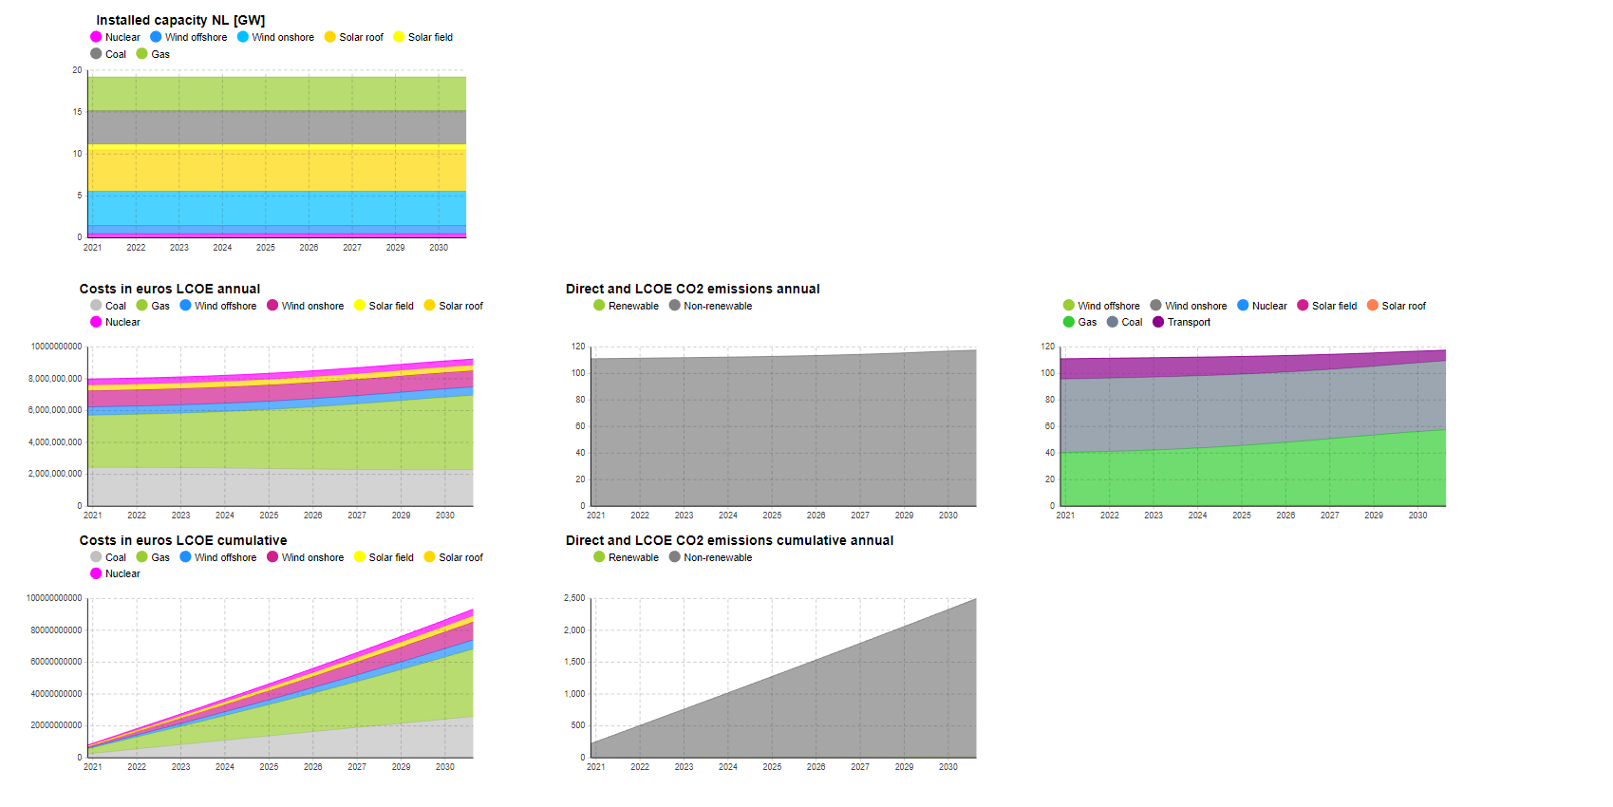
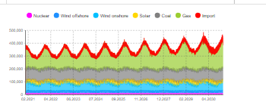
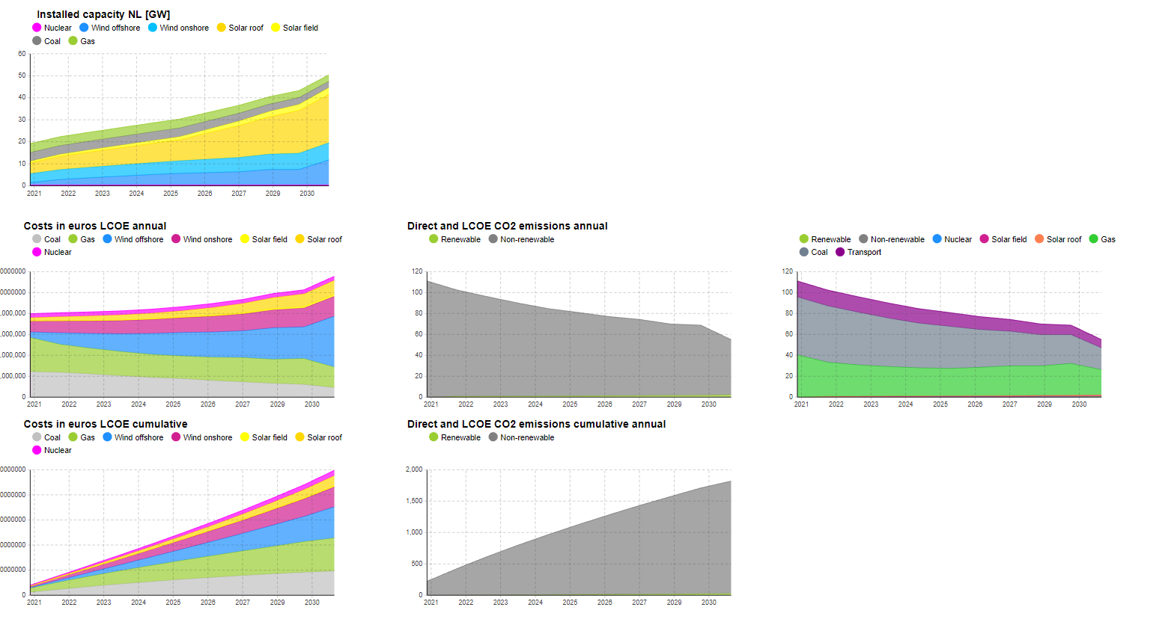
 |  | Climate agreement | No batteries
Capacity factors
CA 2020
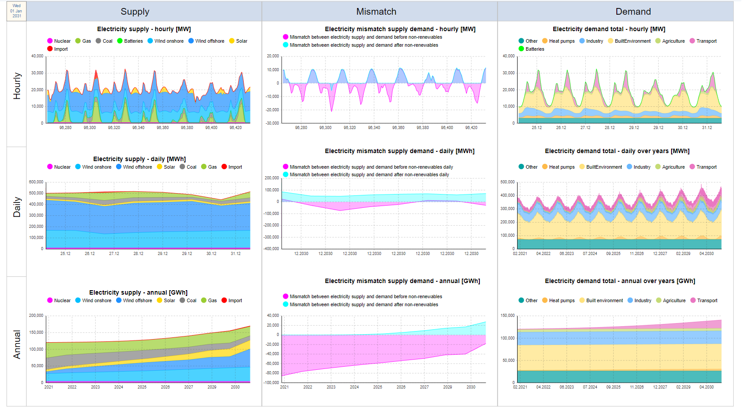
Onshore wind | 0.642
Offshore wind | 0.682
Solar field panels | 0.119
Solar roof panels | 0.119

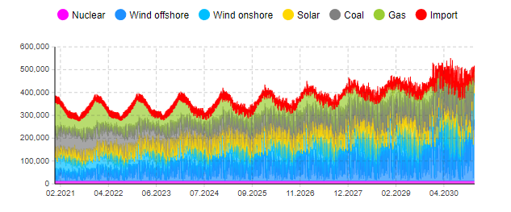

 |  | D66 no batteries
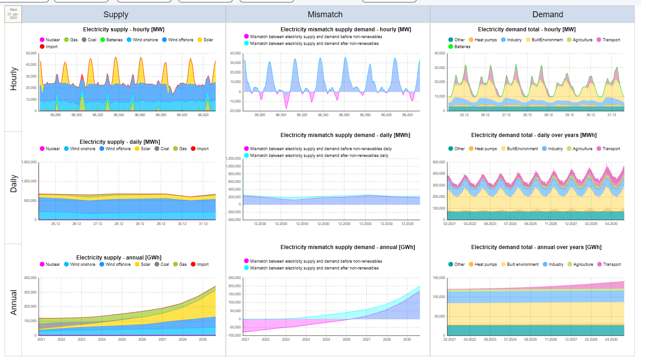
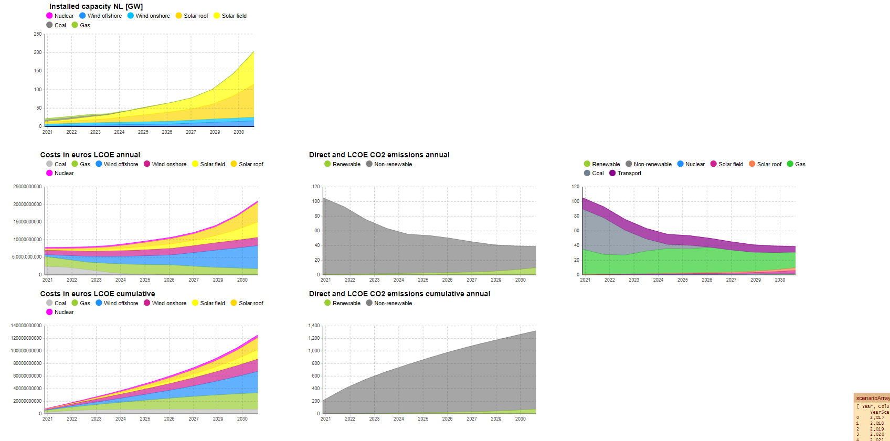

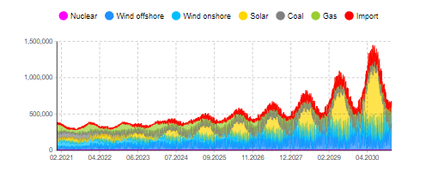

 |  | GroenLinks No batteries

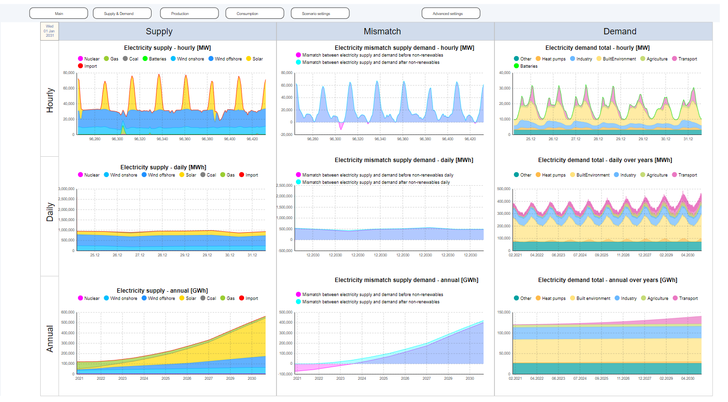
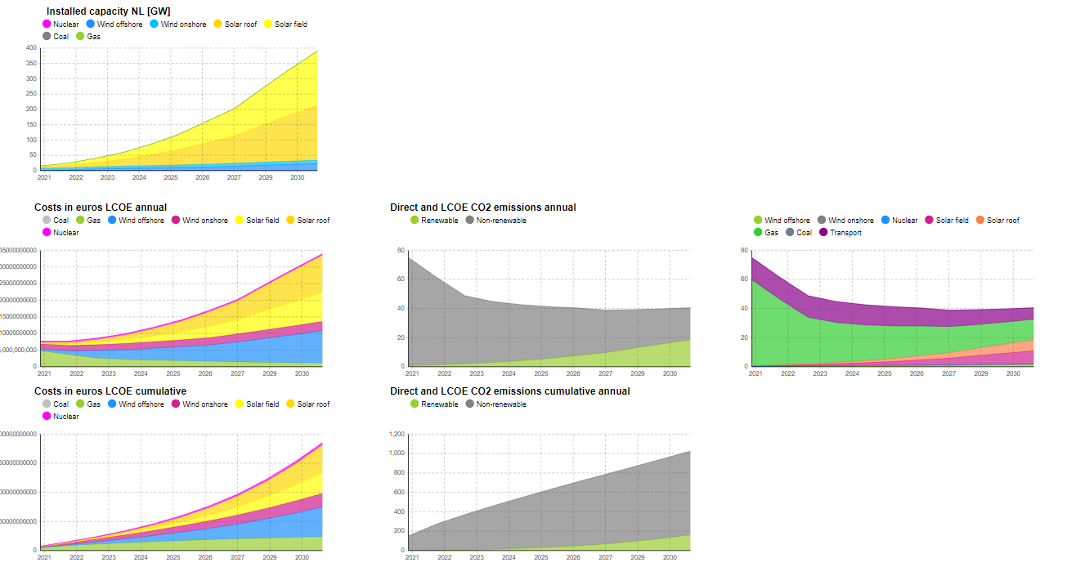

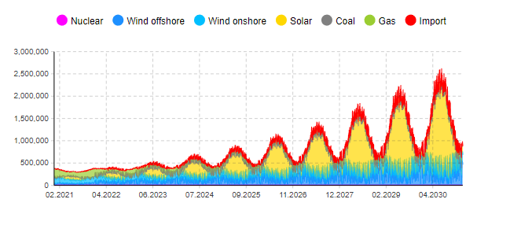

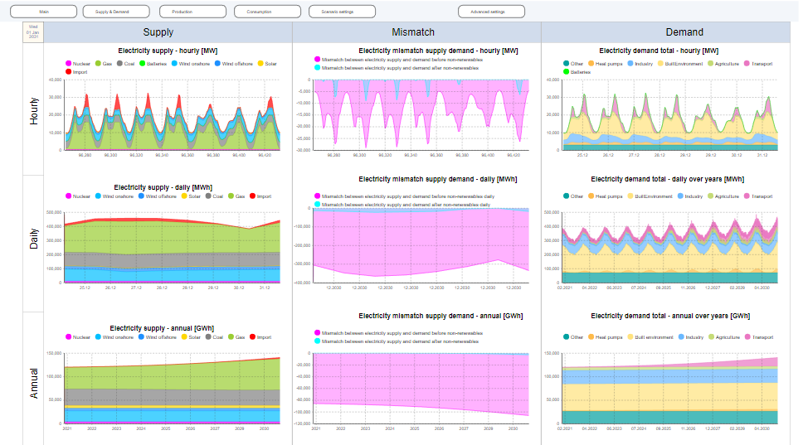
 |  | PVV

